Manual WAG
BUY- EQU

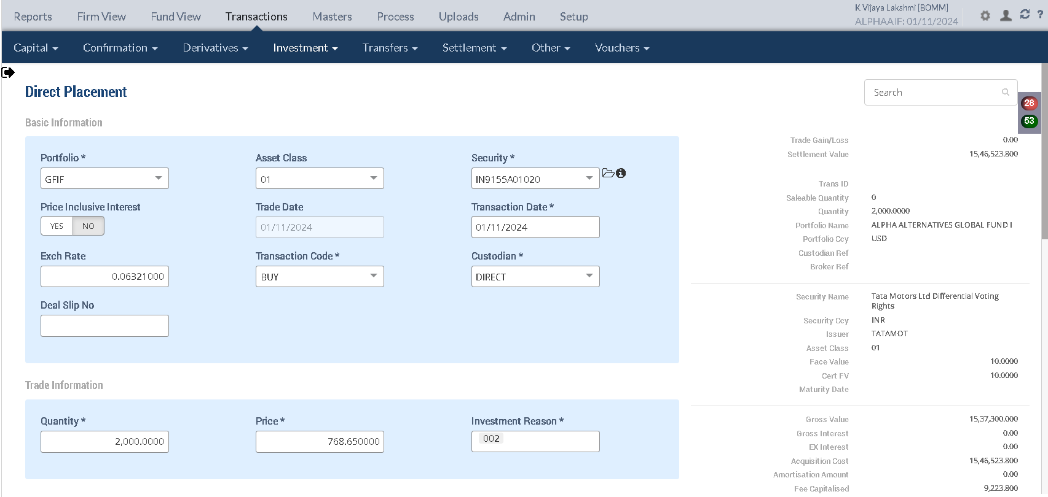

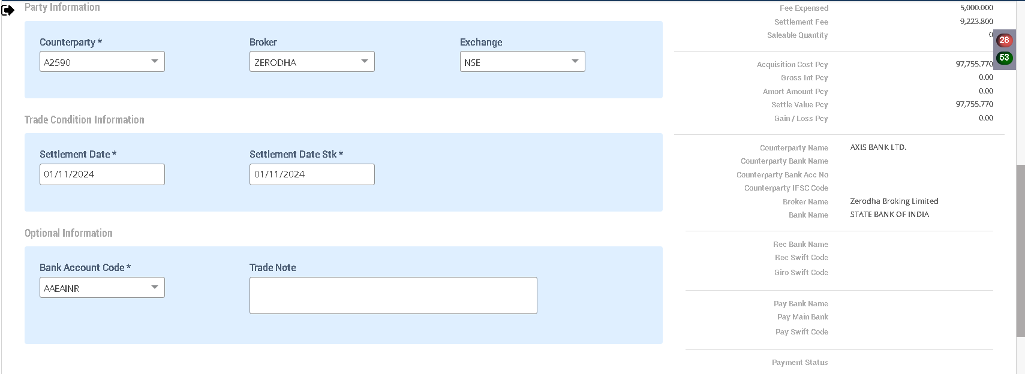

 |  |  |  |  |  |  |  |  | 1844.76

 |  |  |  |  |  |  |  |  | 9223.8 | 0.6
 |  |  |  |  |  |  |  |  | 1537300 | 100

Holding Statement

Symbol | Security | Security Name | Security Listed | TCY | ISIN Code | Maturity Date | Quantity | Average Price | Strike Price | Book Cost in TCY | Book Cost in PCY | Market Price | Market Value in TCY | Market Value in PCY | % of NAV | Interest Accruals in TCY | Interest Accruals in PCY | Accrued AOD TCY | Accrued AOD PCY | Amortised Cost PCY | Amortised Cost Per Unit | Exchange | App/Dep in TCY | App/Dep in PCY | Unrel GL TCY | Unrel GL PCY | Unrel GL FX PCY | Variable Margin TCY | Variable Margin PCY | Market Price Date
 | IN9155A01020 | Tata Motors Ltd Differential Voting Rights | Y | INR | IN9155A01020 |  | 2,000.0000 | 773.2619 | 0.000000 | 1,546,523.80 | 97,755.77 | 768.6500 | 1,537,300.00 | 97,172.73 | 3.7410 | 0.00 | 0.00 | 0.00 | 0.00 | 97,755.77 | 0.00 |  | (9,223.80) | (583.04) | 0.00 | 0.00 | 0.00 | 0.00 | 0.00 | 2024-08-29

 |  |  |  |  |  |  |  |  |  | 1,546,523.8000 | 97,755.7694 |  | 1,537,300.0000
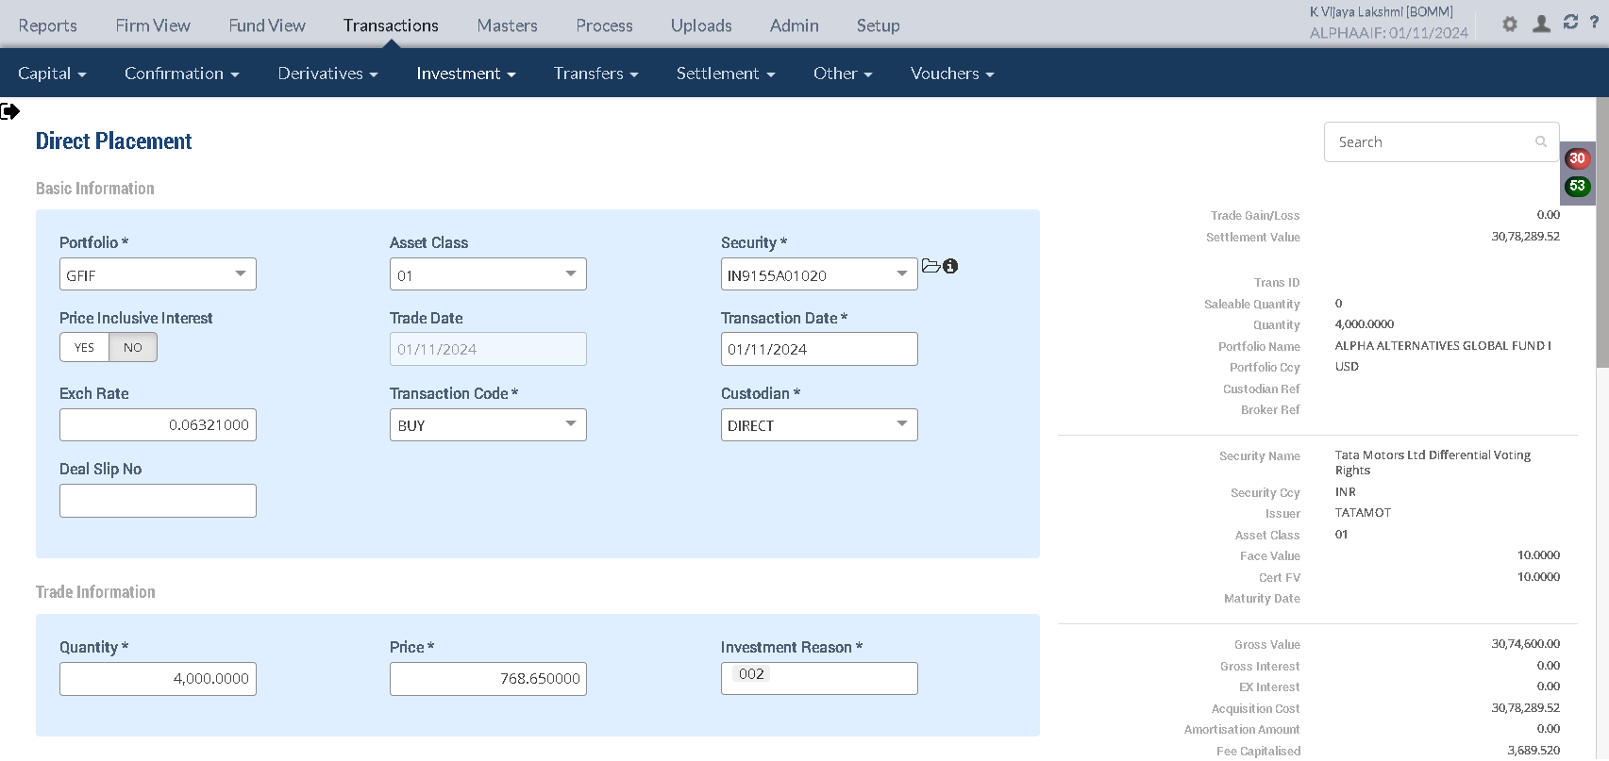

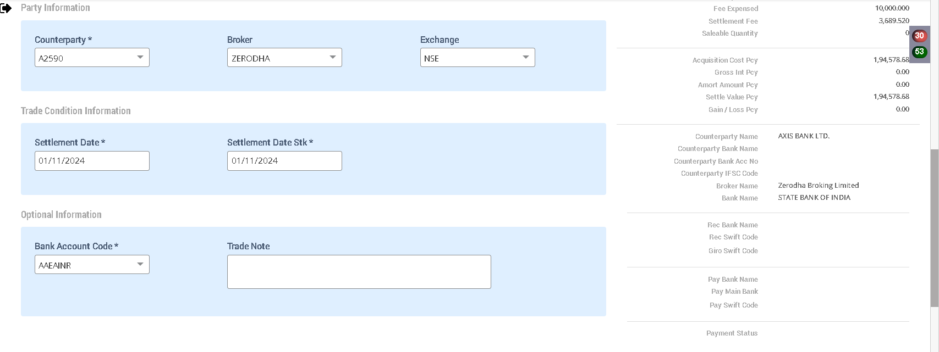

 |  |  |  |  |  |  |  |  |  | 3074600
 |  |  |  |  |  |  |  |  |  | 0.003252455604

Holding Statement

Symbol | Security | Security Name | Security Listed | TCY | ISIN Code | Maturity Date | Quantity | Average Price | Strike Price | Book Cost in TCY | Book Cost in PCY | Market Price | Market Value in TCY | Market Value in PCY | % of NAV | Interest Accruals in TCY | Interest Accruals in PCY | Accrued AOD TCY | Accrued AOD PCY | Amortised Cost PCY | Amortised Cost Per Unit | Exchange | App/Dep in TCY | App/Dep in PCY | Unrel GL TCY | Unrel GL PCY | Unrel GL FX PCY | Variable Margin TCY | Variable Margin PCY | Market Price Date
 | IN9155A01020 | Tata Motors Ltd Differential Voting Rights | Y | INR | IN9155A01020 |  | 6,000.0000 | 770.8022 | 0.000000 | 4,624,813.32 | 292,334.45 | 768.6500 | 4,611,900.00 | 291,518.20 | 11.2230 | 0.00 | 0.00 | 0.00 | 0.00 | 292,334.45 | 0.00 |  | (12,913.32) | (816.25) | 0.00 | 0.00 | 0.00 | 0.00 | 0.00 | 2024-08-29
 |  |  |  |  |  |  |  |  |  | 4,624,813.2000 | 292,334.4424 |  | 4,611,900.0000 | 291,518.1990
Accounting Enquiry

Portfolio | Portfolio Class | Entry Date | Trans Date | Ledger ID | Trans ID | Module Ref | Account Type | Control AC | Control AC Name | Gl Entry Code | Gl Account | Gl Account Name | Currency | Credit/Debit | Amount Tcy | Amount Pcy | Exch Rate | Asset Class | Asset Group | Security | Security Type | Trans Code | Broker | Counterparty | Narration | Is Reversed | Is Sysgen | Portfolio Currency | Trans Ref
GFIF |  | 01-Nov-2024 | 01-Nov-2024 | CF244101623000001204 | CF2441016230000012 | ORDCONFIRM | LIA | 212024 | STT Payable | STTAMOUNTPAY | 212024-INR | STT Payable | INR | Cr | 10,000.00 | 632.10 | 0.06321 | 01 | 632.10 | IN9155A01020 | INV | BUY | ZERODHA | A2590 | STT Charges Payable on Purchase of 4000 quantity of IN9155A01020 Tata Motors Ltd Differential Voting Rights | N | N | USD | PL2441016230000013
GFIF |  | 01-Nov-2024 | 01-Nov-2024 | CF244101623000001203 | CF2441016230000012 | ORDCONFIRM | EXP | 810324 | STT Fee | STTAMOUNTEXP | 810324-INR | STT Fee | INR | Dr | -10,000.00 | -632.10 | 0.06321 | 01 | -632.10 | IN9155A01020 | INV | BUY | ZERODHA | A2590 | STT Charges Expense on Purchase of 4000 quantity of IN9155A01020 Tata Motors Ltd Differential Voting Rights | N | N | USD | PL2441016230000013
GFIF |  | 01-Nov-2024 | 01-Nov-2024 | CF244101623000001202 | CF2441016230000012 | ORDCONFIRM | AST | 110100 | Current Bank Account | CURRENTBACCOUNT | 110100-AAEAINR-INR | Current Bank Account | INR | Cr | 3,078,289.52 | 194,578.68 | 0.06321 | 01 | 194,578.68 | IN9155A01020 | INV | BUY | ZERODHA | A2590 | Purchase Trade settlement 4000 quantity of IN9155A01020 Tata Motors Ltd Differential Voting Rights | N | N | USD | PL2441016230000013
GFIF |  | 01-Nov-2024 | 01-Nov-2024 | CF244101623000001201 | CF2441016230000012 | ORDCONFIRM | AST | 010101 | Investments | INVESTMENT | 010101-01-INR | Investments | INR | Dr | -3,078,289.52 | -194,578.68 | 0.06321 | 01 | -194,578.68 | IN9155A01020 | INV | BUY | ZERODHA | A2590 | Purchase of 4000 quantity of IN9155A01020 Tata Motors Ltd Differential Voting Rights | N | N | USD | PL2441016230000013
GFIF |  | 01-Nov-2024 | 01-Nov-2024 | CF244101623000001104 | CF2441016230000011 | ORDCONFIRM | LIA | 212024 | STT Payable | STTAMOUNTPAY | 212024-INR | STT Payable | INR | Cr | 5,000.00 | 316.05 | 0.06321 | 01 | 316.05 | IN9155A01020 | INV | BUY | ZERODHA | A2590 | STT Charges Payable on Purchase of 2000 quantity of IN9155A01020 Tata Motors Ltd Differential Voting Rights | N | N | USD | PL2441016230000012
GFIF |  | 01-Nov-2024 | 01-Nov-2024 | CF244101623000001103 | CF2441016230000011 | ORDCONFIRM | EXP | 810324 | STT Fee | STTAMOUNTEXP | 810324-INR | STT Fee | INR | Dr | -5,000.00 | -316.05 | 0.06321 | 01 | -316.05 | IN9155A01020 | INV | BUY | ZERODHA | A2590 | STT Charges Expense on Purchase of 2000 quantity of IN9155A01020 Tata Motors Ltd Differential Voting Rights | N | N | USD | PL2441016230000012
GFIF |  | 01-Nov-2024 | 01-Nov-2024 | CF244101623000001102 | CF2441016230000011 | ORDCONFIRM | AST | 110100 | Current Bank Account | CURRENTBACCOUNT | 110100-AAEAINR-INR | Current Bank Account | INR | Cr | 1,546,523.80 | 97,755.77 | 0.06321 | 01 | 97,755.77 | IN9155A01020 | INV | BUY | ZERODHA | A2590 | Purchase Trade settlement 2000 quantity of IN9155A01020 Tata Motors Ltd Differential Voting Rights | N | N | USD | PL2441016230000012
GFIF |  | 01-Nov-2024 | 01-Nov-2024 | CF244101623000001101 | CF2441016230000011 | ORDCONFIRM | AST | 010101 | Investments | INVESTMENT | 010101-01-INR | Investments | INR | Dr | -1,546,523.80 | -97,755.77 | 0.06321 | 01 | -97,755.77 | IN9155A01020 | INV | BUY | ZERODHA | A2590 | Purchase of 2000 quantity of IN9155A01020 Tata Motors Ltd Differential Voting Rights | N | N | USD | PL2441016230000012
 |  |  |  |  |  |  |  |  |  |  |  |  |  |  | 3,074,600.00
Purchase Sale |  |  |  |  |  |  |  |  |  |  |  |  |  |  | 1,546,523.80

Portfolio | Portfolio Name | Sector Name | Industry Name | Trans Date | Settlement Date | Transaction ID | Transaction Type | Security | Security Name | Strike Price | Asset Class | Asset Name | Exchange | Issuer | Broker | Broker Name | CounterParty | CounterParty Name | Custodian Name | Quantity | Rate | Gross Value | Yield | Brokerage |  | Brokerage % | Stt Amount | Clearing Fees | Stamp Duty | Net Amount TCY | Net Amount PCY | Acquisition Cost TCY | Acquisition Cost PCY | Cost Adjustment PCY | Cost Adjustment TCY | Gain Loss TCY | Gross Interest PCY | Gross Interest TCY | Gross Interest PCY
GFIF | ALPHA ALTERNATIVES GLOBAL FUND I | IN020101 | Auto Dealer | 2024-11-01 | 2024-11-01 | CF2441016230000011 | BUY | IN9155A01020 | Tata Motors Ltd Differential Voting Rights | 0.00 | 01 | Equity Shares | NSE | TATAMOT | ZERODHA | Zerodha Broking Limited |  |  |  | 2,000.00 | 768.650000 | 97,172.73 | 0.0000% | 583.04 |  | 0.600004 | 316.05 | 0.00 | 0.00 | 1,546,523.80 | 97,755.77 | 1,546,523.80 | 97,755.77 | 0.00 | 0.00 | 0.00 | 0.00 | 0.00 | 0.00
GFIF | ALPHA ALTERNATIVES GLOBAL FUND I | IN020101 | Auto Dealer | 2024-11-01 | 2024-11-01 | CF2441016230000012 | BUY | IN9155A01020 | Tata Motors Ltd Differential Voting Rights | 0.00 | 01 | Equity Shares | NSE | TATAMOT | ZERODHA | Zerodha Broking Limited |  |  |  | 4,000.00 | 768.650000 | 194,345.47 | 0.0000% | 233.21 |  | 0.119998 | 632.10 | 0.00 | 0.00 | 3,078,289.52 | 194,578.68 | 3,078,289.52 | 194,578.68 | 0.00 | 0.00 | 0.00 | 0.00 | 0.00 | 0.00

Trial Balance

 |  |  |  | Portfolio Currency : |  |  |  | Transaction Currency
Account |  | Asset Class | Account Name | Debit | Credit | Net Cumulative Balance |  | Debit | Credit | Exchange Rate
010101-01-INR |  | EQU | Investments | 292,347.10 | 0.00 | 292,347.10 | DR | 4,625,013.56 | 0.00 | 0.06321
110100-AAEAINR-INR |  |  | Current Bank Account | 0.00 | 292,369.24 | 328,740.20 | CR | 0.00 | 4,625,363.68 | 0.06321
810324-INR |  |  | STT Fee | 948.69 | 0.00 | 948.69 | DR | 15,046.00 | 0.00 | 0.063053
212024-INR |  |  | STT Payable | 0.00 | 951.06 | 88,567.24 | CR | 0.00 | 15,046.00 | 0.06321

Upload Manual Market price file

SECURITYCODE | ISIN_CODE | SECURITYNAME | VALUATIONDATE | EXCHANGE | FINALPRICE | STRIKEPRICE
IN9155A01020 |  | Tata Motors Ltd Differential Voting Rights | 2024-11-01 | NSE | 800 |  |  | 768.65

Bank transaction

Date | Voucher No | ------------------Details------------------- | Currency | Transaction Type | Amount Cr/Dr in Transaction Currency | Exchange Rate | Amount Cr/Dr in Fund Currency | Balance in Fund Currency | Security | Broker / Cparty | Payment Mode | Type
2024-11-01 | CF2441016230000011 | Purchase Trade settlement 2000 quantity of IN9155A01020 | INR | BUY | (1,546,523.80) | 0.06321 | (97,755.77) | (97,774.7500)
2024-11-01 | CF2441016230000012 | Purchase Trade settlement 4000 quantity of IN9155A01020 | INR | BUY | (3,078,289.52) | 0.06321 | (194,578.68) | (292,353.4300)

Holding Statement

Symbol | Security | Security Name | Security Listed | TCY | ISIN Code | Maturity Date | Quantity | Average Price | Strike Price | Book Cost in TCY | Book Cost in PCY | Market Price | Market Value in TCY | Market Value in PCY | % of NAV | Interest Accruals in TCY | Interest Accruals in PCY | Accrued AOD TCY | Accrued AOD PCY | Amortised Cost PCY | Amortised Cost Per Unit | Exchange | App/Dep in TCY | App/Dep in PCY | Unrel GL TCY | Unrel GL PCY | Unrel GL FX PCY | Variable Margin TCY | Variable Margin PCY | Market Price Date
 | IN9155A01020 | Tata Motors Ltd Differential Voting Rights | Y | INR | IN9155A01020 |  | 6,000.0000 | 770.8022 | 0.000000 | 4,624,813.32 | 292,334.45 | 800.0000 | 4,800,000.00 | 303,408.00 | 18.9073 | 0.00 | 0.00 | 0.00 | 0.00 | 292,334.45 | 0.00 | 0.063210 | 175,186.68 | 11,073.55 | 175,186.68 | 11,073.55 | 0.00 | 0.00 | 0.00 | 2024-11-01
 |  |  |  |  |  |  |  |  |  | 4,624,813.2000
 |  |  |  |  |  |  |  |  |  |  |  |  | 4,800,000.0000 | 303,408.0000 |  |  |  |  |  |  |  |  | 175,186.6800 | 11,073.5500 | 175,186.68 | 11,073.55
Accounting Enquiry

Portfolio | Portfolio Class | Entry Date | Trans Date | Ledger ID | Trans ID | Module Ref | Account Type | Control AC | Control AC Name | Gl Entry Code | Gl Account | Gl Account Name | Currency | Credit/Debit | Amount Tcy | Amount Pcy | Exch Rate | Asset Class | Asset Group | Security | Security Type | Trans Code | Broker | Counterparty | Narration | Is Reversed | Is Sysgen | Portfolio Currency | Trans Ref
GFIF |  | 01-Nov-2024 | 01-Nov-2024 | UG244101623000048102 | UG2441016230000481 | UNREAL_GAINLOSS | INC | 510000 | Unrealised Gain/Loss On INVESTMENT | UNREALGLINVEST | 510000-01-INR | Unrealised Gain/Loss On INVESTMENT | INR | Cr | 175,186.68 | 11,073.55 | 0.06321 | 01 |  | IN9155A01020 | INV | UPRFLS |  |  | Unrealised Gain/Loss on Security IN9155A01020 on the Price change - Strike Price 0 Tata Motors Ltd Differential Voting Rights | N | Y | USD | UG2441016230000481
GFIF |  | 01-Nov-2024 | 01-Nov-2024 | UG244101623000048101 | UG2441016230000481 | UNREAL_GAINLOSS | AST | 010110 | Investments - App/(Dep) | INVESTAPPDEP | 010110-01-INR | Investments - App/(Dep) | INR | Dr | -175,186.68 | -11,073.55 | 0.06321 | 01 |  | IN9155A01020 | INV | UPRFLS |  |  | Unrealised Gain/Loss on Security IN9155A01020 on the Price change - Strike Price 0 Tata Motors Ltd Differential Voting Rights | N | Y | USD | UG2441016230000481

 |  |  |  |  |  |  |  |  |  |  |  |  |  |  | Unrel GL TCY | Unrel GL PCY
Purchase Sale |  |  |  |  |  |  |  |  |  |  |  |  |  |  | 175,186.68 | 11,073.55

Portfolio | Portfolio Name | Sector Name | Industry Name | Trans Date | Settlement Date | Transaction ID | Transaction Type | Security | Security Name | Strike Price | Asset Class | Asset Name | Exchange | Issuer | Broker | Broker Name | CounterParty | CounterParty Name | Custodian Name | Quantity | Rate | Gross Value | Yield | Brokerage |  | Brokerage % | Stt Amount | Clearing Fees | Stamp Duty | Net Amount TCY | Net Amount PCY | Acquisition Cost TCY | Acquisition Cost PCY | Cost Adjustment PCY | Cost Adjustment TCY | Gain Loss TCY | Gross Interest PCY | Gross Interest TCY | Gross Interest PCY
GFIF | ALPHA ALTERNATIVES GLOBAL FUND I | IN020101 | Auto Dealer | 2024-11-01 | 2024-11-01 | CF2441016230000011 | BUY | IN9155A01020 | Tata Motors Ltd Differential Voting Rights | 0.00 | 01 | Equity Shares | NSE | TATAMOT | ZERODHA | Zerodha Broking Limited |  |  |  | 2,000.00 | 768.650000 | 97,172.73 | 0.0000% | 583.04 |  | 0.600004 | 316.05 | 0.00 | 0.00 | 1,546,523.80 | 97,755.77 | 1,546,523.80 | 97,755.77 | 0.00 | 0.00 | 0.00 | 0.00 | 0.00 | 0.00
GFIF | ALPHA ALTERNATIVES GLOBAL FUND I | IN020101 | Auto Dealer | 2024-11-01 | 2024-11-01 | CF2441016230000012 | BUY | IN9155A01020 | Tata Motors Ltd Differential Voting Rights | 0.00 | 01 | Equity Shares | NSE | TATAMOT | ZERODHA | Zerodha Broking Limited |  |  |  | 4,000.00 | 768.650000 | 194,345.47 | 0.0000% | 233.21 |  | 0.119998 | 632.10 | 0.00 | 0.00 | 3,078,289.52 | 194,578.68 | 3,078,289.52 | 194,578.68 | 0.00 | 0.00 | 0.00 | 0.00 | 0.00 | 0.00

Trial Balance
 |  |  |  |  |  |  |  |  |  |  |  |  |  |  | 4,800,000.00 | 0.06321 |  |  | #REF!
 |  |  |  | Portfolio Currency : |  |  |  | Transaction Currency |  |  |  |  |  |  | 4,624,813.32 |  |  |  | #REF!
Account |  | Asset Class | Account Name | Debit | Credit | Net Cumulative Balance |  | Debit | Credit | Exchange Rate |  |  |  |  | 175,186.68 |  |  |  | 145577.028
010101-01-INR |  | EQU | Investments | 292,347.10 | 0.00 | 292,347.10 | DR | 4,625,013.56 | 0.00 | 0.06321
110100-AAEAINR-INR |  |  | Current Bank Account | 0.00 | 292,369.24 | 328,740.20 | CR | 0.00 | 4,625,363.68 | 0.06321 |  |  |  |  |  |  |  |  | #REF!
810324-INR |  |  | STT Fee | 948.69 | 0.00 | 948.69 | DR | 15,046.00 | 0.00 | 0.063053 |  |  |  |  |  | 2400000
212024-INR |  |  | STT Payable | 0.00 | 951.06 | 88,567.24 | CR | 0.00 | 15,046.00 | 0.06321 |  |  |  |  |  | 1800000
010110-01-INR |  | EQU | Investments - App/(Dep) | 11,076.06 | 0.00 | 2,858,648.79 | DR | 175,226.44 | 0.00 | 0.06321 |  |  |  |  |  | 600000
510000-01-INR |  | EQU | Unrealised Gain/Loss On INVESTMENT | 0.00 | 11,076.06 | 22,682.76 | CR | 0.00 | 175,226.44 | 0.06321

 |  |  |  |  |  |  |  |  |  |  |  | 2,400,000.00
SELL - EQU |  |  |  |  |  |  |  |  |  |  |  | 7,805.89

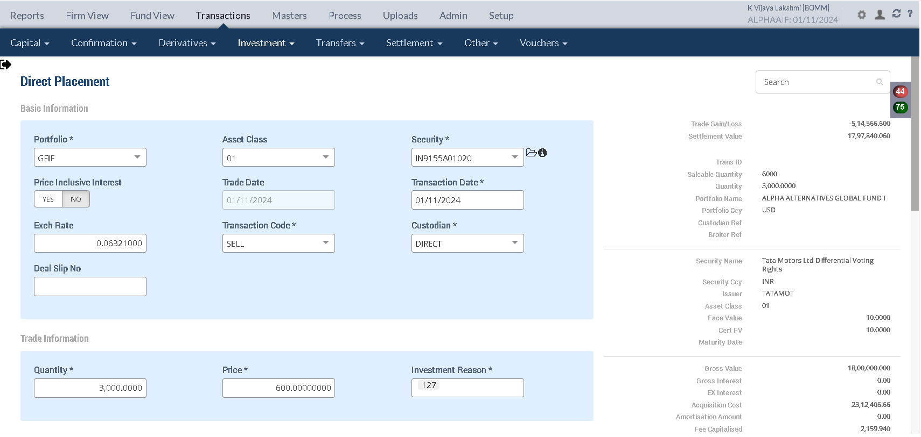

 |  |  |  |  |  |  |  |  | 4,624,813.2000
 |  |  |  |  |  |  |  |  | 2,312,406.6000

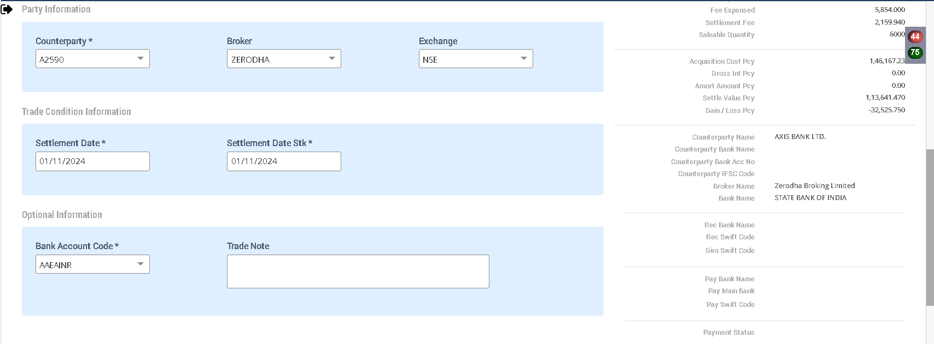

 |  |  |  |  |  |  |  |  |  |  |  |  |  |  |  |  |  |  |  |  |  |  | 87,593.34 | 5,536.78
 |  |  |  |  |  |  |  |  |  | 4,624,813.32
Holding Statement |  |  |  |  |  |  |  |  |  | 2,312,406.66 | 292,334.45
 |  |  |  |  |  |  |  |  |  | 2,312,406.66 | 146,167.23
Symbol | Security | Security Name | Security Listed | TCY | ISIN Code | Maturity Date | Quantity | Average Price | Strike Price | Book Cost in TCY | Book Cost in PCY | Market Price | Market Value in TCY | Market Value in PCY | % of NAV | Interest Accruals in TCY | Interest Accruals in PCY | Accrued AOD TCY | Accrued AOD PCY | Amortised Cost PCY | Amortised Cost Per Unit | Exchange | App/Dep in TCY | App/Dep in PCY | Unrel GL TCY | Unrel GL PCY | Unrel GL FX PCY | Variable Margin TCY | Variable Margin PCY | Market Price Date
 | IN9155A01020 | Tata Motors Ltd Differential Voting Rights | Y | INR | IN9155A01020 |  | 3,000.0000 | 770.8022 | 0.000000 | 2,312,406.66 | 146,167.22 | 800.0000 | 2,400,000.00 | 151,704.00 | 5.8404 | 0.00 | 0.00 | 0.00 | 0.00 | 146,167.22 | 0.00 | 0.063210 | 87,593.34 | 5,536.78 | 87,593.34 | 5,536.77 | 0.00 | 0.00 | 0.00 | 2024-11-01
 |  |  |  |  |  |  |  |  |  |  |  |  | 2,400,000.0000 | 151,704.00 |  |  |  |  |  |  |  |  | 87,593.34 | 5,536.78 | 87,593.34 | 5,536.78
Accounting Enquiry

Portfolio | Portfolio Class | Entry Date | Trans Date | Ledger ID | Trans ID | Module Ref | Account Type | Control AC | Control AC Name | Gl Entry Code | Gl Account | Gl Account Name | Currency | Credit/Debit | Amount Tcy | Amount Pcy | Exch Rate | Asset Class | Asset Group | Security | Security Type | Trans Code | Broker | Counterparty | Narration | Is Reversed | Is Sysgen | Portfolio Currency | Trans Ref
GFIF |  | 01-Nov-2024 | 01-Nov-2024 | CF244101623000001408 | CF2441016230000014 | ORDCONFIRM | AST | 010110 | Investments - App/(Dep) | INVESTAPPDEP | 010110-01-INR | Investments - App/(Dep) | INR | Cr | 87,593.34 | 5,536.78 | 0.06321 | 01 |  | IN9155A01020 | INV | SELL | ZERODHA | A2590 | Unrel Appr/depr Reversal for sale transaction Tata Motors Ltd Differential Voting Rights | N | N | USD | PL2441016230000018
GFIF |  | 01-Nov-2024 | 01-Nov-2024 | CF244101623000001407 | CF2441016230000014 | ORDCONFIRM | INC | 510000 | Unrealised Gain/Loss On INVESTMENT | UNREALGLINVEST | 510000-01-INR | Unrealised Gain/Loss On INVESTMENT | INR | Dr | -87,593.34 | -5,536.78 | 0.06321 | 01 |  | IN9155A01020 | INV | SELL | ZERODHA | A2590 | Unrel Appr/depr Reversal for sale transaction Tata Motors Ltd Differential Voting Rights | N | N | USD | PL2441016230000018
GFIF |  | 01-Nov-2024 | 01-Nov-2024 | CF244101623000001406 | CF2441016230000014 | ORDCONFIRM | INC | 611001 | Gain/(Loss) On Foreign Exchange | REALGLFOREX | 611001-INR-INR | Gain/(Loss) On Foreign Exchange | INR | Cr | 00.00 | -00.01 | 0.06321 | 01 |  | IN9155A01020 | INV | SELL | ZERODHA | A2590 | Gain/Loss Forex on Sale of 3000 quantity of IN9155A01020 Tata Motors Ltd Differential Voting Rights | N | N | USD | PL2441016230000018
GFIF |  | 01-Nov-2024 | 01-Nov-2024 | CF244101623000001405 | CF2441016230000014 | ORDCONFIRM | INC | 810010 | Loss on Sale of Investments - Market | MARKETLOSS | 810010-01-INR | Loss on Sale of Investments - Market | INR | Dr | -514,566.60 | -32,525.75 | 0.06321 | 01 |  | IN9155A01020 | INV | SELL | ZERODHA | A2590 | Market Loss on Sale of 3000 quantity of IN9155A01020 Tata Motors Ltd Differential Voting Rights | N | N | USD | PL2441016230000018
GFIF |  | 01-Nov-2024 | 01-Nov-2024 | CF244101623000001404 | CF2441016230000014 | ORDCONFIRM | LIA | 212024 | STT Payable | STTAMOUNTPAY | 212024-INR | STT Payable | INR | Cr | 5,854.00 | 370.03 | 0.06321 | 01 |  | IN9155A01020 | INV | SELL | ZERODHA | A2590 | STT Charges Payable on Sale of 3000 quantity of IN9155A01020 Tata Motors Ltd Differential Voting Rights | N | N | USD | PL2441016230000018
GFIF |  | 01-Nov-2024 | 01-Nov-2024 | CF244101623000001403 | CF2441016230000014 | ORDCONFIRM | EXP | 810324 | STT Fee | STTAMOUNTEXP | 810324-INR | STT Fee | INR | Dr | -5,854.00 | -370.03 | 0.06321 | 01 |  | IN9155A01020 | INV | SELL | ZERODHA | A2590 | STT Charges Expense on Sale of 3000 quantity of IN9155A01020 Tata Motors Ltd Differential Voting Rights | N | N | USD | PL2441016230000018
GFIF |  | 01-Nov-2024 | 01-Nov-2024 | CF244101623000001402 | CF2441016230000014 | ORDCONFIRM | AST | 110100 | Current Bank Account | CURRENTBACCOUNT | 110100-AAEAINR-USD | Current Bank Account | USD | Dr | -113,641.47 | -113,641.47 | 1 | 01 |  | IN9155A01020 | INV | SELL | ZERODHA | A2590 | Sale Trade Settlement of 3000 quantity of IN9155A01020 Tata Motors Ltd Differential Voting Rights | N | N | USD | PL2441016230000018
GFIF |  | 01-Nov-2024 | 01-Nov-2024 | CF244101623000001401 | CF2441016230000014 | ORDCONFIRM | AST | 010101 | Investments | INVESTMENT | 010101-01-INR | Investments | INR | Cr | 2,312,406.66 | 146,167.23 | 0.06321 | 01 |  | IN9155A01020 | INV | SELL | ZERODHA | A2590 | Cost of Sale on 3000 quantity of IN9155A01020 Tata Motors Ltd Differential Voting Rights | N | N | USD | PL2441016230000018
 |  |  |  |  |  |  |  |  |  |  |  |  |  |  | 2,312,406.60
 |  |  |  |  |  |  |  |  |  |  |  |  |  |  | 1,797,840.06
Purchase Sale |  |  |  |  |  |  |  |  |  |  |  |  |  |  | 514,566.54

Portfolio | Portfolio Name | Sector Name | Industry Name | Trans Date | Settlement Date | Transaction ID | Transaction Type | Security | Security Name | Strike Price | Asset Class | Asset Name | Exchange | Broker | Broker Name | CounterParty | CounterParty Name | Custodian Name | Quantity | Rate | Gross Value | Yield | Brokerage | Brokerage % | Stt Amount | Clearing Fees | Others Fees | Net Amount TCY | Net Amount PCY | Acquisition Cost TCY | Acquisition Cost PCY | Gain Loss TCY | Gain Loss PCY | Gross Interest TCY | Gross Interest PCY
GFIF | ALPHA ALTERNATIVES GLOBAL FUND I | IN020101 | Auto Dealer | 2024-11-01 | 2024-11-01 | CF2441016230000014 | SELL | IN9155A01020 | Tata Motors Ltd Differential Voting Rights | 0.00 | 01 | Equity Shares | NSE | ZERODHA | Zerodha Broking Limited |  |  |  | 3,000.00 | 600.000000 | 113,778.00 | 0.0000% | 136.53 | 0.119997 | 370.03 | 0.00 | 0.00 | 1,797,840.06 | 113,641.47 | 2,312,406.66 | 146,167.23 | (514,566.60) | (32,525.75) | 0.00 | 0.00
GFIF | ALPHA ALTERNATIVES GLOBAL FUND I | IN020101 | Auto Dealer | 2024-11-01 | 2024-11-01 | CF2441016230000012 | BUY | IN9155A01020 | Tata Motors Ltd Differential Voting Rights | 0.00 | 01 | Equity Shares | NSE | ZERODHA | Zerodha Broking Limited |  |  |  | 4,000.00 | 768.650000 | 194,345.47 | 0.0000% | 233.21 | 0.119998 | 632.10 | 0.00 | 0.00 | 3,078,289.52 | 194,578.68 | 3,078,289.52 | 194,578.68 | 0.00 | 0.00 | 0.00 | 0.00
GFIF | ALPHA ALTERNATIVES GLOBAL FUND I | IN020101 | Auto Dealer | 2024-11-01 | 2024-11-01 | CF2441016230000011 | BUY | IN9155A01020 | Tata Motors Ltd Differential Voting Rights | 0.00 | 01 | Equity Shares | NSE | ZERODHA | Zerodha Broking Limited |  |  |  | 2,000.00 | 768.650000 | 97,172.73 | 0.0000% | 583.04 | 0.600004 | 316.05 | 0.00 | 0.00 | 1,546,523.80 | 97,755.77 | 1,546,523.80 | 97,755.77 | 0.00 | 0.00 | 0.00 | 0.00

 |  |  |  |  |  |  |  |  |  |  |  |  |  |  |  |  |  |  |  |  | 113,778.00

 |  |  |  |  |  |  | qty | price
 |  |  |  | 4,624,813.32 |  |  | 3000 | 770.8022 | 2312406.6
 |  |  |  | 2,312,406.66 |  |  | 3000 | 600 | 1797840.06
 |  |  |  | 1,797,840.4600 | 113,641.4955 |  |  |  | 514566.54
 |  |  |  | 514,566.20

Upload WAG
PORTFOLIO | SECURITY | ISIN_CODE | BROKER | QUANTITY | PRICE | EXCHANGE | SEGMENT | TRANS_CODE | TRADE_DATE | SETL_DATE | Deal SliP No | DELIVERY_TYPE | BANK_ACC_CODE | BANK_TXN_MODE | BANK_ACC_AMT_ACY | YIELD | COUNTERPARTY | IS_COMPUTE_FEE | CUM_EX_BEN_TYPE | GROSS_INT_TCY | EX_INT_TCY | NET_AMOUNT_TCY | Brokerage | STT Amount | CCIl Charges | REC_REMARKS | Stamp duty
GFIF | TESTEQSEC2 | TESTEQSEC2 | INCRED | 106,500.00 | 100.3253 | NSE | CM | BUY | 1-Nov-24 | 2-Nov-24 |  | CH | AAEAINR | TRF | 10,684,644.45 |  |  | N | NA | 0.00 | 0.00 | 10,663,277.50 | 10,681.95 | 10,685.00 | 0.00 | DealUpload | 0.00
GFIF | TESTEQSEC2 | TESTEQSEC2 | INCRED | 106,500.00 | 100.3253 | NSE | CM | BUY | 1-Nov-24 | 2-Nov-24 |  | CH | AAEAINR | TRF | 10,684,644.45 |  |  | N | NA | 0.00 | 0.00 | 10,663,277.50 | 10,681.95 | 10,685.00 | 0.00 | DealUpload | 0.00

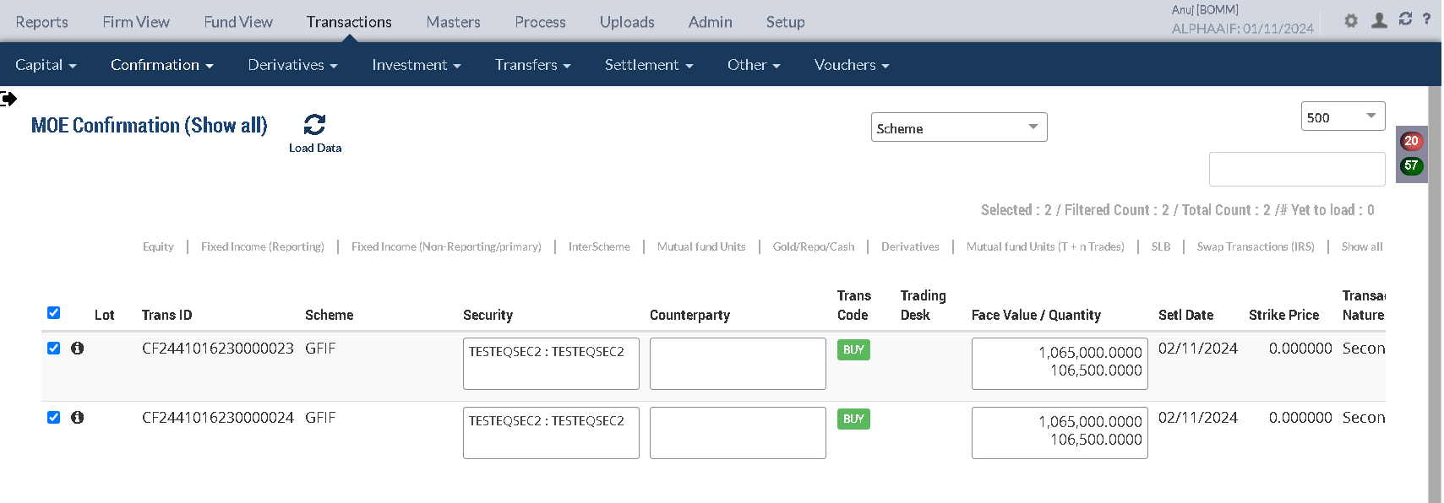

Holding Statement

Symbol | Security | Security Name | Security Listed | TCY | ISIN Code | Maturity Date | Quantity | Average Price | Strike Price | Book Cost in TCY | Book Cost in PCY | Market Price | Market Value in TCY | Market Value in PCY | % of NAV | Interest Accruals in TCY | Interest Accruals in PCY | Accrued AOD TCY | Accrued AOD PCY | Amortised Cost PCY | Amortised Cost Per Unit | Exchange | App/Dep in TCY | App/Dep in PCY | Unrel GL TCY | Unrel GL PCY | Unrel GL FX PCY | Variable Margin TCY | Variable Margin PCY | Market Price Date
 | TESTEQSEC2 | TESTEQSEC2 | Y | INR |  |  | 213,000.0000 | 100.4256 | 0.000000 | 21,390,652.80 | 1,352,103.16 | 100.4256 | 21,390,652.80 | 1,352,103.16 | 52.0540 | 0.00 | 0.00 | 0.00 | 0.00 | 1,352,103.16 | 0.00 |  | 0.00 | 0.00 | 0.00 | 0.00 | 0.00 | 0.00 | 0.00

Accounting Enquiry |  |  |  |  |  |  |  |  |  | 21,390,652.8000 | 1,352,103.16 |  | 21,390,652.8000 | 1,352,103.1635 |  |  |  |  |  |  |  |  | 0.0000 | 0.0000

Portfolio | Portfolio Class | Entry Date | Trans Date | Ledger ID | Trans ID | Module Ref | Account Type | Control AC | Control AC Name | Gl Entry Code | Gl Account | Gl Account Name | Currency | Credit/Debit | Amount Tcy | Amount Pcy | Exch Rate | Asset Class | Asset Group | Security | Security Type | Trans Code | Broker | Counterparty | Narration | Is Reversed | Is Sysgen | Portfolio Currency | Trans Ref
GFIF |  | 01-Nov-2024 | 01-Nov-2024 | CF244101623000002604 | CF2441016230000026 | ORDCONFIRM | LIA | 212024 | STT Payable | STTAMOUNTPAY | 212024-INR | STT Payable | INR | Cr | 10,685.00 | 675.40 | 0.06321 | 01 |  | TESTEQSEC2 | INV | BUY | INCRED |  | STT Charges Payable on Purchase of 106500 quantity of TESTEQSEC2 TESTEQSEC2 | N | N | USD | CF2441016230000024
GFIF |  | 01-Nov-2024 | 01-Nov-2024 | CF244101623000002603 | CF2441016230000026 | ORDCONFIRM | EXP | 810324 | STT Fee | STTAMOUNTEXP | 810324-INR | STT Fee | INR | Dr | -10,685.00 | -675.40 | 0.06321 | 01 |  | TESTEQSEC2 | INV | BUY | INCRED |  | STT Charges Expense on Purchase of 106500 quantity of TESTEQSEC2 TESTEQSEC2 | N | N | USD | CF2441016230000024
GFIF |  | 01-Nov-2024 | 01-Nov-2024 | CF244101623000002602 | CF2441016230000026 | ORDCONFIRM | LIA | 210100 | CONTRACT FOR PURCHASE OF INVESTMENT | BROKERPAY | 210100-01-INR | CONTRACT FOR PURCHASE OF INVESTMENT | INR | Cr | 10,695,326.40 | 676,051.58 | 0.06321 | 01 |  | TESTEQSEC2 | INV | BUY | INCRED |  | Broker Payable on Purchase of 106500 quantity of TESTEQSEC2 TESTEQSEC2 | N | N | USD | CF2441016230000024
GFIF |  | 01-Nov-2024 | 01-Nov-2024 | CF244101623000002601 | CF2441016230000026 | ORDCONFIRM | AST | 010101 | Investments | INVESTMENT | 010101-01-INR | Investments | INR | Dr | -10,695,326.40 | -676,051.58 | 0.06321 | 01 |  | TESTEQSEC2 | INV | BUY | INCRED |  | Purchase of 106500 quantity of TESTEQSEC2 TESTEQSEC2 | N | N | USD | CF2441016230000024
GFIF |  | 01-Nov-2024 | 01-Nov-2024 | CF244101623000002504 | CF2441016230000025 | ORDCONFIRM | LIA | 212024 | STT Payable | STTAMOUNTPAY | 212024-INR | STT Payable | INR | Cr | 10,685.00 | 675.40 | 0.06321 | 01 |  | TESTEQSEC2 | INV | BUY | INCRED |  | STT Charges Payable on Purchase of 106500 quantity of TESTEQSEC2 TESTEQSEC2 | N | N | USD | CF2441016230000023
GFIF |  | 01-Nov-2024 | 01-Nov-2024 | CF244101623000002503 | CF2441016230000025 | ORDCONFIRM | EXP | 810324 | STT Fee | STTAMOUNTEXP | 810324-INR | STT Fee | INR | Dr | -10,685.00 | -675.40 | 0.06321 | 01 |  | TESTEQSEC2 | INV | BUY | INCRED |  | STT Charges Expense on Purchase of 106500 quantity of TESTEQSEC2 TESTEQSEC2 | N | N | USD | CF2441016230000023
GFIF |  | 01-Nov-2024 | 01-Nov-2024 | CF244101623000002502 | CF2441016230000025 | ORDCONFIRM | LIA | 210100 | CONTRACT FOR PURCHASE OF INVESTMENT | BROKERPAY | 210100-01-INR | CONTRACT FOR PURCHASE OF INVESTMENT | INR | Cr | 10,695,326.40 | 676,051.58 | 0.06321 | 01 |  | TESTEQSEC2 | INV | BUY | INCRED |  | Broker Payable on Purchase of 106500 quantity of TESTEQSEC2 TESTEQSEC2 | N | N | USD | CF2441016230000023
GFIF |  | 01-Nov-2024 | 01-Nov-2024 | CF244101623000002501 | CF2441016230000025 | ORDCONFIRM | AST | 010101 | Investments | INVESTMENT | 010101-01-INR | Investments | INR | Dr | -10,695,326.40 | -676,051.58 | 0.06321 | 01 |  | TESTEQSEC2 | INV | BUY | INCRED |  | Purchase of 106500 quantity of TESTEQSEC2 TESTEQSEC2 | N | N | USD | CF2441016230000023

 |  |  |  |  |  |  |  |  |  |  |  |  | qty | avg price | amt tcy=qty*avg price | amt pcy=amt tcy* exch rate
Purchase Sale |  |  |  |  |  |  |  |  |  |  |  |  | 106500 | 100.4256 | 10695326.4 | 676051.58174

Portfolio | Portfolio Name | Sector Name | Industry Name | Trans Date | Settlement Date | Transaction ID | Transaction Type | Security | Security Name | Strike Price | Asset Class | Asset Name |  | Exchange |  | Broker |  | Broker Name |  | CounterParty | CounterParty Name | Custodian Name | Quantity |  | Rate |  | Gross Value |  | Yield | Brokerage | Brokerage % | Stt Amount | Clearing Fees | Others Fees | Net Amount TCY | Net Amount PCY | Acquisition Cost TCY | Acquisition Cost PCY | Gain Loss TCY | Gain Loss PCY | Gross Interest TCY | Gross Interest PCY
GFIF | ALPHA ALTERNATIVES GLOBAL FUND I | Others | Household Appliances | 2024-11-01 | 2024-11-02 | CF2441016230000025 | BUY | TESTEQSEC2 | TESTEQSEC2 | 0.00 | 01 |  | Equity Shares |  | NSE |  | INCRED |  | INCRED CAPITAL WEALTH PORTFOLIO MANAGERS PVT. LTD |  |  |  |  | 106,500.00 |  | 100.325300 |  | 675,376.38 | 0.0000% | 675.21 | 0.099975 | 675.40 | 0.00 | 0.00 | 10,695,326.40 | 676,051.58 | 10,695,326.40 | 676,051.58 | 0.00 | 0.00 | 0.00 | 0.00
GFIF | ALPHA ALTERNATIVES GLOBAL FUND I | Others | Household Appliances | 2024-11-01 | 2024-11-02 | CF2441016230000026 | BUY | TESTEQSEC2 | TESTEQSEC2 | 0.00 | 01 |  | Equity Shares |  | NSE |  | INCRED |  | INCRED CAPITAL WEALTH PORTFOLIO MANAGERS PVT. LTD |  |  |  |  | 106,500.00 |  | 100.325300 |  | 675,376.38 | 0.0000% | 675.21 | 0.099975 | 675.40 | 0.00 | 0.00 | 10,695,326.40 | 676,051.58 | 10,695,326.40 | 676,051.58 | 0.00 | 0.00 | 0.00 | 0.00

 |  |  |  |  |  |  |  |  |  |  |  |  |  |  |  |  |  |  |  |  |  |  |  |  |  |  |  | Gross value=amt pcy- brk |  |  |  |  |  |  |  | Net amt pcy=gross value + brk
Trial Balance |  |  |  |  |  |  |  |  |  |  |  |  |  |  |  |  |  |  |  |  |  |  |  |  |  |  |  | 675,376.37 |  |  |  |  |  |  |  | 676,051.58

 |  |  |  | Portfolio Currency : |  |  |  | Transaction Currency
Account |  | Asset Class | Account Name | Debit | Credit | Net Cumulative Balance |  | Debit | Credit | Exchange Rate
010101-01-INR |  | EQU | Investments | 2,850,386.19 | 0.00 | 2,850,386.19 | DR | 45,093,912.50 | 0.00 | 0.06321
210100-01-INR |  | EQU | CONTRACT FOR PURCHASE OF INVESTMENT | 0.00 | 2,704,206.32 | 2,704,206.32 | CR | 0.00 | 42,781,305.60 | 0.06321
810324-INR |  |  | STT Fee | 7,061.09 | 0.00 | 8,411.09 | DR | 102,889.36 | 0.00 | 0.068628
212024-INR |  |  | STT Payable | 0.00 | 6,503.64 | 2,927,787.95 | CR | 0.00 | 102,889.36 | 0.06321

Upload Manual Market price

SECURITYCODE | ISIN_CODE | SECURITYNAME | VALUATIONDATE | EXCHANGE | FINALPRICE | STRIKEPRICE
TESTEQSEC2 |  | TESTEQSEC2 | 2024-11-01 | NSE | 150

Holding Statement

Symbol | Security | Security Name | Security Listed | TCY | ISIN Code | Maturity Date | Quantity | Average Price | Strike Price | Book Cost in TCY | Book Cost in PCY | Market Price | Market Value in TCY | Market Value in PCY | % of NAV | Interest Accruals in TCY | Interest Accruals in PCY | Accrued AOD TCY | Accrued AOD PCY | Amortised Cost PCY | Amortised Cost Per Unit | Exchange | App/Dep in TCY | App/Dep in PCY | Unrel GL TCY | Unrel GL PCY | Unrel GL FX PCY | Variable Margin TCY | Variable Margin PCY | Market Price Date
 | TESTEQSEC2 | TESTEQSEC2 | Y | INR |  |  | 213,000.0000 | 100.4256 | 0.000000 | 21,390,652.80 | 1,352,103.16 | 150.0000 | 31,950,000.00 | 2,019,559.50 | 1.4791 | 0.00 | 0.00 | 0.00 | 0.00 | 1,352,103.16 | 0.00 | 0.063210 | 10,559,347.20 | 667,456.34 | 10,559,347.20 | 667,456.34 | 0.00 | 0.00 | 0.00 | 2024-11-01

 |  |  |  |  |  |  |  |  |  | 21,390,652.8000 | 1,352,103.1635 |  | 31,950,000.0000 | 2,019,559.5000 |  |  |  |  |  |  |  |  | 10,559,347.2000 | 667,456.3400 | 10,559,347.20 | 667,456.34
Accounting Enquiry

Portfolio | Portfolio Class | Entry Date | Trans Date | Ledger ID | Trans ID | Module Ref | Account Type | Control AC | Control AC Name | Gl Entry Code | Gl Account | Gl Account Name | Currency | Credit/Debit | Amount Tcy | Amount Pcy | Exch Rate | Asset Class | Asset Group | Security | Security Type | Trans Code | Broker | Counterparty | Narration | Is Reversed | Is Sysgen | Portfolio Currency | Trans Ref
GFIF |  | 01-Nov-2024 | 01-Nov-2024 | UG244101623000055702 | UG2441016230000557 | UNREAL_GAINLOSS | INC | 510000 | Unrealised Gain/Loss On INVESTMENT | UNREALGLINVEST | 510000-01-INR | Unrealised Gain/Loss On INVESTMENT | INR | Cr | 10,559,347.20 | 667,456.34 | 0.06321 | 01 |  | TESTEQSEC2 | INV | UPRFLS |  |  | Unrealised Gain/Loss on Security TESTEQSEC2 on the Price change - Strike Price 0 TESTEQSEC2 | N | Y | USD | UG2441016230000557
GFIF |  | 01-Nov-2024 | 01-Nov-2024 | UG244101623000055701 | UG2441016230000557 | UNREAL_GAINLOSS | AST | 010110 | Investments - App/(Dep) | INVESTAPPDEP | 010110-01-INR | Investments - App/(Dep) | INR | Dr | -10,559,347.20 | -667,456.34 | 0.06321 | 01 |  | TESTEQSEC2 | INV | UPRFLS |  |  | Unrealised Gain/Loss on Security TESTEQSEC2 on the Price change - Strike Price 0 TESTEQSEC2 | N | Y | USD | UG2441016230000557

 |  |  |  |  |  |  |  |  |  |  |  |  |  |  | App/Dep in TCY | App/Dep in PCY
Purchase Sale |  |  |  |  |  |  |  |  |  |  |  |  |  |  | 10,559,347.20 | 667,456.34

Portfolio | Portfolio Name | Sector Name | Industry Name | Trans Date | Settlement Date | Transaction ID | Transaction Type | Security | Security Name | Strike Price | Asset Class | Asset Name |  | Exchange |  | Broker |  | Broker Name |  | CounterParty | CounterParty Name | Custodian Name | Quantity |  | Rate |  | Gross Value |  | Yield | Brokerage | Brokerage % | Stt Amount | Clearing Fees | Others Fees | Net Amount TCY | Net Amount PCY | Acquisition Cost TCY | Acquisition Cost PCY | Gain Loss TCY | Gain Loss PCY | Gross Interest TCY | Gross Interest PCY
GFIF | ALPHA ALTERNATIVES GLOBAL FUND I | Others | Household Appliances | 2024-11-01 | 2024-11-02 | CF2441016230000025 | BUY | TESTEQSEC2 | TESTEQSEC2 | 0.00 | 01 |  | Equity Shares |  | NSE |  | INCRED |  | INCRED CAPITAL WEALTH PORTFOLIO MANAGERS PVT. LTD |  |  |  |  | 106,500.00 |  | 100.325300 |  | 675,376.38 | 0.0000% | 675.21 | 0.099975 | 675.40 | 0.00 | 0.00 | 10,695,326.40 | 676,051.58 | 10,695,326.40 | 676,051.58 | 0.00 | 0.00 | 0.00 | 0.00
GFIF | ALPHA ALTERNATIVES GLOBAL FUND I | Others | Household Appliances | 2024-11-01 | 2024-11-02 | CF2441016230000026 | BUY | TESTEQSEC2 | TESTEQSEC2 | 0.00 | 01 |  | Equity Shares |  | NSE |  | INCRED |  | INCRED CAPITAL WEALTH PORTFOLIO MANAGERS PVT. LTD |  |  |  |  | 106,500.00 |  | 100.325300 |  | 675,376.38 | 0.0000% | 675.21 | 0.099975 | 675.40 | 0.00 | 0.00 | 10,695,326.40 | 676,051.58 | 10,695,326.40 | 676,051.58 | 0.00 | 0.00 | 0.00 | 0.00

Trial Balance

 |  |  |  | Portfolio Currency : |  |  |  | Transaction Currency
Account |  | Asset Class | Account Name | Debit | Credit | Net Cumulative Balance |  | Debit | Credit | Exchange Rate
010101-01-INR |  | EQU | Investments | 2,850,386.19 | 0.00 | 2,850,386.19 | DR | 45,093,912.50 | 0.00 | 0.06321
210100-01-INR |  | EQU | CONTRACT FOR PURCHASE OF INVESTMENT | 0.00 | 2,704,206.33 | 2,704,206.33 | CR | 0.00 | 42,781,305.60 | 0.06321
810324-INR |  |  | STT Fee | 7,061.09 | 0.00 | 8,411.09 | DR | 102,889.36 | 0.00 | 0.068628
212024-INR |  |  | STT Payable | 0.00 | 6,503.64 | 2,927,787.96 | CR | 0.00 | 102,889.36 | 0.06321
010110-01-INR |  | EQU | Investments - App/(Dep) | 111,271,792.25 | 0.00 | 116,677,404.07 | DR | 1,760,351,087.50 | 0.00 | 0.06321
510000-01-INR |  | EQU | Unrealised Gain/Loss On INVESTMENT | 0.00 | 111,271,792.25 | 111,238,033.43 | CR | 0.00 | 1,760,351,087.50 | 0.06321

Freeze NAV is Done

Trade settlement

Upload Manual Market price

SECURITYCODE | ISIN_CODE | SECURITYNAME | VALUATIONDATE | EXCHANGE | FINALPRICE | STRIKEPRICE
TESTEQSEC2 |  | TESTEQSEC2 | 2024-11-02 | NSE | 200

Intraday Finished

Holding Statement

Symbol | Security | Security Name | Security Listed | TCY | ISIN Code | Maturity Date | Quantity | Average Price | Strike Price | Book Cost in TCY | Book Cost in PCY | Market Price | Market Value in TCY | Market Value in PCY | % of NAV | Interest Accruals in TCY | Interest Accruals in PCY | Accrued AOD TCY | Accrued AOD PCY | Amortised Cost PCY | Amortised Cost Per Unit | Exchange | App/Dep in TCY | App/Dep in PCY | Unrel GL TCY | Unrel GL PCY | Unrel GL FX PCY | Variable Margin TCY | Variable Margin PCY | Market Price Date
 | TESTEQSEC2 | TESTEQSEC2 | Y | INR |  |  | 213,000.0000 | 100.4256 |  | 21,390,652.8000 | 1,352,103.16 | 200.0000 | 42,600,000.0000 | 2,314,032.0000 |  |  |  |  |  |  |  |  | 21,209,347.2000 | 961,928.84 | 21,209,347.2000 | 1,152,091.7399 | (190,162.90)
 |  |  |  |  |  |  |  |  |  |  |  |  | 42,600,000.0000 | 2,314,032.0000
 |  |  |  |  |  |  |  |  |  |  |  |  |  |  |  |  |  |  |  |  |  |  |  |  | 21,209,347.20
 |  |  |  |  |  |  |  |  |  |  |  |  |  |  |  |  |  |  |  |  |  |  |  |  | 10,559,347.20
Accounting Enquiry |  |  |  |  |  |  |  |  |  |  |  |  |  |  |  |  |  |  |  |  |  |  |  |  | 10,650,000.00

Portfolio | Portfolio Class | Entry Date | Trans Date | Ledger ID | Trans ID | Module Ref | Account Type | Control AC | Control AC Name | Gl Entry Code | Gl Account | Gl Account Name | Currency | Credit/Debit | Amount Tcy | Amount Pcy | Exch Rate | Asset Class | Asset Group | Security | Security Type | Trans Code | Broker | Counterparty | Narration | Is Reversed | Is Sysgen | Portfolio Currency | Trans Ref
GFIF |  | 02-Nov-2024 | 02-Nov-2024 | UG244101623000061304 | UG2441016230000613 | UNREAL_GAINLOSS | INC | 510000 | Unrealised Gain/Loss On INVESTMENT | UNREALGLINVEST | 510000-01-INR | Unrealised Gain/Loss On INVESTMENT | INR | Cr | 10,650,000.00 | 484,635.40 | 0.05432 | 01 |  | TESTEQSEC2 | INV | UPRFLS |  |  | Unrealised Gain/Loss on Security TESTEQSEC2 on the Price change - Strike Price 0 TESTEQSEC2 | N | Y | USD | UG2441016230000613
GFIF |  | 02-Nov-2024 | 02-Nov-2024 | UG244101623000061303 | UG2441016230000613 | UNREAL_GAINLOSS | INC | 510980 | Investment fx gain/loss | UNREALGLFOREX | 510980-01-INR | Investment fx gain/loss | INR | Cr | 00.00 | -190,162.90 | 0.05432 | 01 |  | TESTEQSEC2 | INV | UPRFLS |  |  | Unrealised Gain/Loss on Security TESTEQSEC2 on the FX change - Strike Price 0 TESTEQSEC2 | N | Y | USD | UG2441016230000613
GFIF |  | 02-Nov-2024 | 02-Nov-2024 | UG244101623000061302 | UG2441016230000613 | UNREAL_GAINLOSS | AST | 010122 | F/X GAIN LOSS ON INVESTMENT | INVFXAPPDEP | 010122-01-INR | F/X GAIN LOSS ON INVESTMENT | INR | Cr | 00.00 | 190,162.90 | 0.05432 | 01 |  | TESTEQSEC2 | INV | UPRFLS |  |  | Unrealised Gain/Loss on Security TESTEQSEC2 on the FX change - Strike Price 0 TESTEQSEC2 | N | Y | USD | UG2441016230000613
GFIF |  | 02-Nov-2024 | 02-Nov-2024 | UG244101623000061301 | UG2441016230000613 | UNREAL_GAINLOSS | AST | 010110 | Investments - App/(Dep) | INVESTAPPDEP | 010110-01-INR | Investments - App/(Dep) | INR | Dr | -10,650,000.00 | -484,635.40 | 0.05432 | 01 |  | TESTEQSEC2 | INV | UPRFLS |  |  | Unrealised Gain/Loss on Security TESTEQSEC2 on the Price change - Strike Price 0 TESTEQSEC2 | N | Y | USD | UG2441016230000613

 |  |  |  |  |  |  |  |  |  |  |  |  |  |  | Unrel GL TCY | Unrel GL PCY | Unrel GL FX PCY
Purchase Sale |  |  |  |  |  |  |  |  |  |  |  |  |  |  | 10,650,000.00 | 484,635.40 | -190,162.90

Portfolio | Portfolio Name | Sector Name | Industry Name | Trans Date | Settlement Date | Transaction ID | Transaction Type | Security | Security Name | Strike Price | Asset Class | Asset Name |  | Exchange |  | Broker |  | Broker Name |  | CounterParty | CounterParty Name | Custodian Name | Quantity |  | Rate |  | Gross Value |  | Yield | Brokerage | Brokerage % | Stt Amount | Clearing Fees | Others Fees | Net Amount TCY | Net Amount PCY | Acquisition Cost TCY | Acquisition Cost PCY | Gain Loss TCY | Gain Loss PCY | Gross Interest TCY | Gross Interest PCY
GFIF | ALPHA ALTERNATIVES GLOBAL FUND I | Others | Household Appliances | 2024-11-01 | 2024-11-02 | CF2441016230000025 | BUY | TESTEQSEC2 | TESTEQSEC2 | 0.00 | 01 |  | Equity Shares |  | NSE |  | INCRED |  | INCRED CAPITAL WEALTH PORTFOLIO MANAGERS PVT. LTD |  |  |  |  | 106,500.00 |  | 100.325300 |  | 675,376.38 | 0.0000% | 675.21 | 0.099975 | 675.40 | 0.00 | 0.00 | 10,695,326.40 | 676,051.58 | 10,695,326.40 | 676,051.58 | 0.00 | 0.00 | 0.00 | 0.00
GFIF | ALPHA ALTERNATIVES GLOBAL FUND I | Others | Household Appliances | 2024-11-01 | 2024-11-02 | CF2441016230000026 | BUY | TESTEQSEC2 | TESTEQSEC2 | 0.00 | 01 |  | Equity Shares |  | NSE |  | INCRED |  | INCRED CAPITAL WEALTH PORTFOLIO MANAGERS PVT. LTD |  |  |  |  | 106,500.00 |  | 100.325300 |  | 675,376.38 | 0.0000% | 675.21 | 0.099975 | 675.40 | 0.00 | 0.00 | 10,695,326.40 | 676,051.58 | 10,695,326.40 | 676,051.58 | 0.00 | 0.00 | 0.00 | 0.00

Trial Balance

 |  |  |  | Portfolio Currency : |  |  |  | Transaction Currency
Account |  | Asset Class | Account Name | Debit | Credit | Net Cumulative Balance |  | Debit | Credit | Exchange Rate
210100-01-INR |  | EQU | CONTRACT FOR PURCHASE OF INVESTMENT | 0.00 | 1,161,940.26 | 1,161,940.26 | CR | 0.00 | 21,390,652.80 | 0.05432
110100-AAEAINR-INR |  |  | Current Bank Account | 0.00 | 1,414,337.25 | 1,445,380.88 | CR | 0.00 | 26,037,136.48 | 0.05432
620000-INR |  |  | Realised gain/loss on Forex | 0.00 | 205,899.58 | 22,983,314.45 | CR | 0.00 | 0.00 | 0
212024-INR |  |  | STT Payable | 0.00 | 4,428.13 | 1,243,515.93 | CR | 0.00 | 81,519.36 | 0.05432
510988-INR |  |  | fx gain/loss on pay/rec | 0.00 | 189.97 | 4,896,807.09 | CR | 0.00 | 0.00 | 0
010110-01-INR |  | EQU | Investments - App/(Dep) | 96,200,779.07 | 0.00 | 101,606,390.89 | DR | 1,771,001,087.50 | 0.00 | 0.05432
010122-01-INR |  | EQU | F/X GAIN LOSS ON INVESTMENT | 0.00 | 400,884.86 | 101,445,418.69 | CR | 0.00 | 0.00 | 0
510980-01-INR |  | EQU | Investment fx gain/loss | 400,884.86 | 0.00 | 96,014,422.39 | DR | 0.00 | 0.00 | 0
510000-01-INR |  | EQU | Unrealised Gain/Loss On INVESTMENT | 0.00 | 96,200,779.07 | 96,171,768.17 | CR | 0.00 | 1,771,001,087.50 | 0.05432

SELL - EQU

PORTFOLIO | SECURITY | ISIN_CODE | BROKER | QUANTITY | PRICE | EXCHANGE | SEGMENT | TRANS_CODE | TRADE_DATE | SETL_DATE | Deal SliP No | DELIVERY_TYPE | BANK_ACC_CODE | BANK_TXN_MODE | BANK_ACC_AMT_ACY | YIELD | COUNTERPARTY | IS_COMPUTE_FEE | CUM_EX_BEN_TYPE | GROSS_INT_TCY | EX_INT_TCY | NET_AMOUNT_TCY | Brokerage | STT Amount | CCIl Charges | REC_REMARKS | Stamp duty
GFIF | TESTEQSEC2 | TESTEQSEC2 | INCRED | 106,500.00 | 100.3253 | NSE | CM | SELL | 2-Nov-24 | 2-Nov-24 |  | CH | AAEAINR | TRF | 10,684,644.45 |  |  | N | NA | 0.00 | 0.00 | 10,663,277.50 | 10,681.95 | 10,685.00 | 0.00 | DealUpload | 0.00

Holding Statement

Symbol | Security | Security Name | Security Listed | TCY | ISIN Code | Maturity Date | Quantity | Average Price | Strike Price | Book Cost in TCY | Book Cost in PCY | Market Price | Market Value in TCY | Market Value in PCY | % of NAV | Interest Accruals in TCY | Interest Accruals in PCY | Accrued AOD TCY | Accrued AOD PCY | Amortised Cost PCY | Amortised Cost Per Unit | Exchange | App/Dep in TCY | App/Dep in PCY | Unrel GL TCY | Unrel GL PCY | Unrel GL FX PCY | Variable Margin TCY | Variable Margin PCY | Market Price Date
 | TESTEQSEC2 | TESTEQSEC2 | Y | INR |  |  | 106,500.0000 | 100.4256 | 0.000000 | 10,695,326.40 | 676,051.58 | 200.0000 | 21,300,000.00 | 1,157,016.00 | 0.8474 | 0.00 | 0.00 | 0.00 | 0.00 | 676,051.58 | 0.00 | 0.054320 | 10,604,673.60 | 480,964.42 | 10,604,673.60 | 576,045.87 | (95,081.45) | 0.00 | 0.00 | 2024-11-02

 |  |  |  |  |  |  |  |  |  | 10,695,326.4000 | 676,051.5817 |  | 21,300,000.0000 | 1,157,016.0000 |  |  |  |  |  |  |  |  | 10,604,673.60 | 480,964.42 | 10,604,673.60 | 576,045.87 | (95,081.45)
Accounting Enquiry

Portfolio | Portfolio Class | Entry Date | Trans Date | Ledger ID | Trans ID | Module Ref | Account Type | Control AC | Control AC Name | Gl Entry Code | Gl Account | Gl Account Name | Currency | Credit/Debit | Amount Tcy | Amount Pcy | Exch Rate | Asset Class | Asset Group | Security | Security Type | Trans Code | Broker | Counterparty | Narration | Is Reversed | Is Sysgen | Portfolio Currency | Trans Ref
GFIF |  | 02-Nov-2024 | 02-Nov-2024 | CF244101623000002810 | CF2441016230000028 | ORDCONFIRM | INC | 510980 | Investment fx gain/loss | UNREALGLFOREX | 510980-01-INR | Investment fx gain/loss | INR | Cr | 00.00 | 95,081.45 | 0.05432 | 01 |  | TESTEQSEC2 | INV | SELL | INCRED |  | Unrel Forex reversal on Sale of 106500 quantity of TESTEQSEC2 TESTEQSEC2 | N | N | USD | CF2441016230000027
GFIF |  | 02-Nov-2024 | 02-Nov-2024 | CF244101623000002809 | CF2441016230000028 | ORDCONFIRM | AST | 010122 | F/X GAIN LOSS ON INVESTMENT | INVFXAPPDEP | 010122-01-INR | F/X GAIN LOSS ON INVESTMENT | INR | Cr | 00.00 | -95,081.45 | 0.05432 | 01 |  | TESTEQSEC2 | INV | SELL | INCRED |  | Unrel Forex reversal on Sale of 106500 quantity of TESTEQSEC2 TESTEQSEC2 | N | N | USD | CF2441016230000027
GFIF |  | 02-Nov-2024 | 02-Nov-2024 | CF244101623000002808 | CF2441016230000028 | ORDCONFIRM | AST | 010110 | Investments - App/(Dep) | INVESTAPPDEP | 010110-01-INR | Investments - App/(Dep) | INR | Cr | 10,604,673.60 | 576,045.87 | 0.05432 | 01 | 576,045.87 | TESTEQSEC2 | INV | SELL | INCRED |  | Unrel Appr/depr Reversal for sale transaction TESTEQSEC2 | N | N | USD | CF2441016230000027
GFIF |  | 02-Nov-2024 | 02-Nov-2024 | CF244101623000002807 | CF2441016230000028 | ORDCONFIRM | INC | 510000 | Unrealised Gain/Loss On INVESTMENT | UNREALGLINVEST | 510000-01-INR | Unrealised Gain/Loss On INVESTMENT | INR | Dr | -10,604,673.60 | -576,045.87 | 0.05432 | 01 | -576,045.87 | TESTEQSEC2 | INV | SELL | INCRED |  | Unrel Appr/depr Reversal for sale transaction TESTEQSEC2 | N | N | USD | CF2441016230000027
GFIF |  | 02-Nov-2024 | 02-Nov-2024 | CF244101623000002806 | CF2441016230000028 | ORDCONFIRM | INC | 611001 | Gain/(Loss) On Foreign Exchange | REALGLFOREX | 611001-INR-INR | Gain/(Loss) On Foreign Exchange | INR | Cr | 00.00 | -95,081.45 | 0.05432 | 01 | 00.00 | TESTEQSEC2 | INV | SELL | INCRED |  | Gain/Loss Forex on Sale of 106500 quantity of TESTEQSEC2 TESTEQSEC2 | N | N | USD | CF2441016230000027
GFIF |  | 02-Nov-2024 | 02-Nov-2024 | CF244101623000002805 | CF2441016230000028 | ORDCONFIRM | INC | 810010 | Loss on Sale of Investments - Market | MARKETLOSS | 810010-01-INR | Loss on Sale of Investments - Market | INR | Dr | -21,363.90 | -1,160.49 | 0.05432 | 01 | -1,160.49 | TESTEQSEC2 | INV | SELL | INCRED |  | Market Loss on Sale of 106500 quantity of TESTEQSEC2 TESTEQSEC2 | N | N | USD | CF2441016230000027
GFIF |  | 02-Nov-2024 | 02-Nov-2024 | CF244101623000002804 | CF2441016230000028 | ORDCONFIRM | LIA | 212024 | STT Payable | STTAMOUNTPAY | 212024-INR | STT Payable | INR | Cr | 10,685.00 | 580.41 | 0.05432 | 01 | 580.41 | TESTEQSEC2 | INV | SELL | INCRED |  | STT Charges Payable on Sale of 106500 quantity of TESTEQSEC2 TESTEQSEC2 | N | N | USD | CF2441016230000027
GFIF |  | 02-Nov-2024 | 02-Nov-2024 | CF244101623000002803 | CF2441016230000028 | ORDCONFIRM | EXP | 810324 | STT Fee | STTAMOUNTEXP | 810324-INR | STT Fee | INR | Dr | -10,685.00 | -580.41 | 0.05432 | 01 | -580.41 | TESTEQSEC2 | INV | SELL | INCRED |  | STT Charges Expense on Sale of 106500 quantity of TESTEQSEC2 TESTEQSEC2 | N | N | USD | CF2441016230000027
GFIF |  | 02-Nov-2024 | 02-Nov-2024 | CF244101623000002802 | CF2441016230000028 | ORDCONFIRM | AST | 110100 | Current Bank Account | CURRENTBACCOUNT | 110100-AAEAINR-INR | Current Bank Account | INR | Dr | -10,673,962.50 | -579,809.64 | 0.05432 | 01 | -579,809.64 | TESTEQSEC2 | INV | SELL | INCRED |  | Sale Trade Settlement of 106500 quantity of TESTEQSEC2 TESTEQSEC2 | N | N | USD | CF2441016230000027
GFIF |  | 02-Nov-2024 | 02-Nov-2024 | CF244101623000002801 | CF2441016230000028 | ORDCONFIRM | AST | 010101 | Investments | INVESTMENT | 010101-01-INR | Investments | INR | Cr | 10,695,326.40 | 676,051.58 | 0.05432 | 01 | 580,970.13 | TESTEQSEC2 | INV | SELL | INCRED |  | Cost of Sale on 106500 quantity of TESTEQSEC2 TESTEQSEC2 | N | N | USD | CF2441016230000027

 |  |  |  |  |  |  |  |  |  |  |  |  |  |  | Unrel GL TCY | Unrel GL PCY
 |  |  |  |  |  |  |  |  |  |  |  |  | 10,681.95 |  | 10,604,673.60 | 576,045.87
 |  |  |  |  |  |  |  |  |  |  |  |  |  |  | 10,673,962.50
Purchase Sale |  |  |  |  |  |  |  |  |  |  |  |  |  |  | 10,695,326.40 | 95,081.45
 |  |  |  |  |  |  |  |  |  |  |  |  |  |  | 21,363.90
Portfolio | Portfolio Name | Sector Name | Industry Name | Trans Date | Settlement Date | Transaction ID | Transaction Type | Security | Security Name | Strike Price | Asset Class | Asset Name |  | Exchange |  | Broker |  | Broker Name |  | CounterParty | CounterParty Name | Custodian Name | Quantity |  | Rate |  | Gross Value |  | Yield | Brokerage | Brokerage % | Stt Amount | Clearing Fees | Others Fees | Net Amount TCY | Net Amount PCY | Acquisition Cost TCY | Acquisition Cost PCY | Gain Loss TCY | Gain Loss PCY | Gross Interest TCY | Gross Interest PCY
GFIF | ALPHA ALTERNATIVES GLOBAL FUND I | Others | Household Appliances | 2024-11-02 | 2024-11-02 | CF2441016230000028 | SELL | TESTEQSEC2 | TESTEQSEC2 | 0.00 | 01 |  | Equity Shares |  | NSE |  | INCRED |  | INCRED CAPITAL WEALTH PORTFOLIO MANAGERS PVT. LTD |  |  |  |  | 106,500.00 |  | 100.325300 |  | 580,389.89 | 0.0000% | 580.24 | 0.099974 | 580.41 | 0.00 | 0.00 | 10,673,962.50 | 579,809.64 | 10,695,326.40 | 676,051.58 | (21,363.90) | (1,160.49) | 0.00 | 0.00

Manual FIFO
BUY- EQU

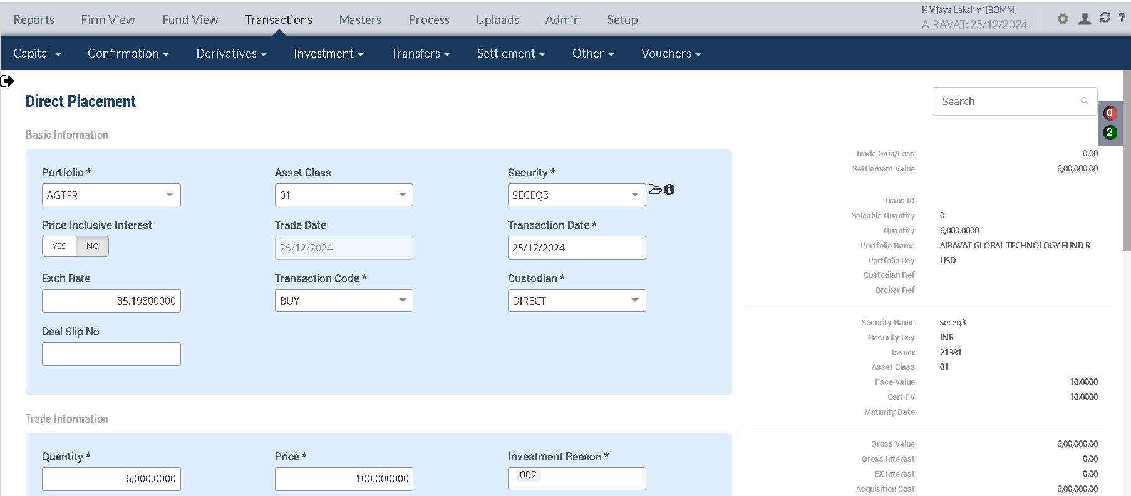
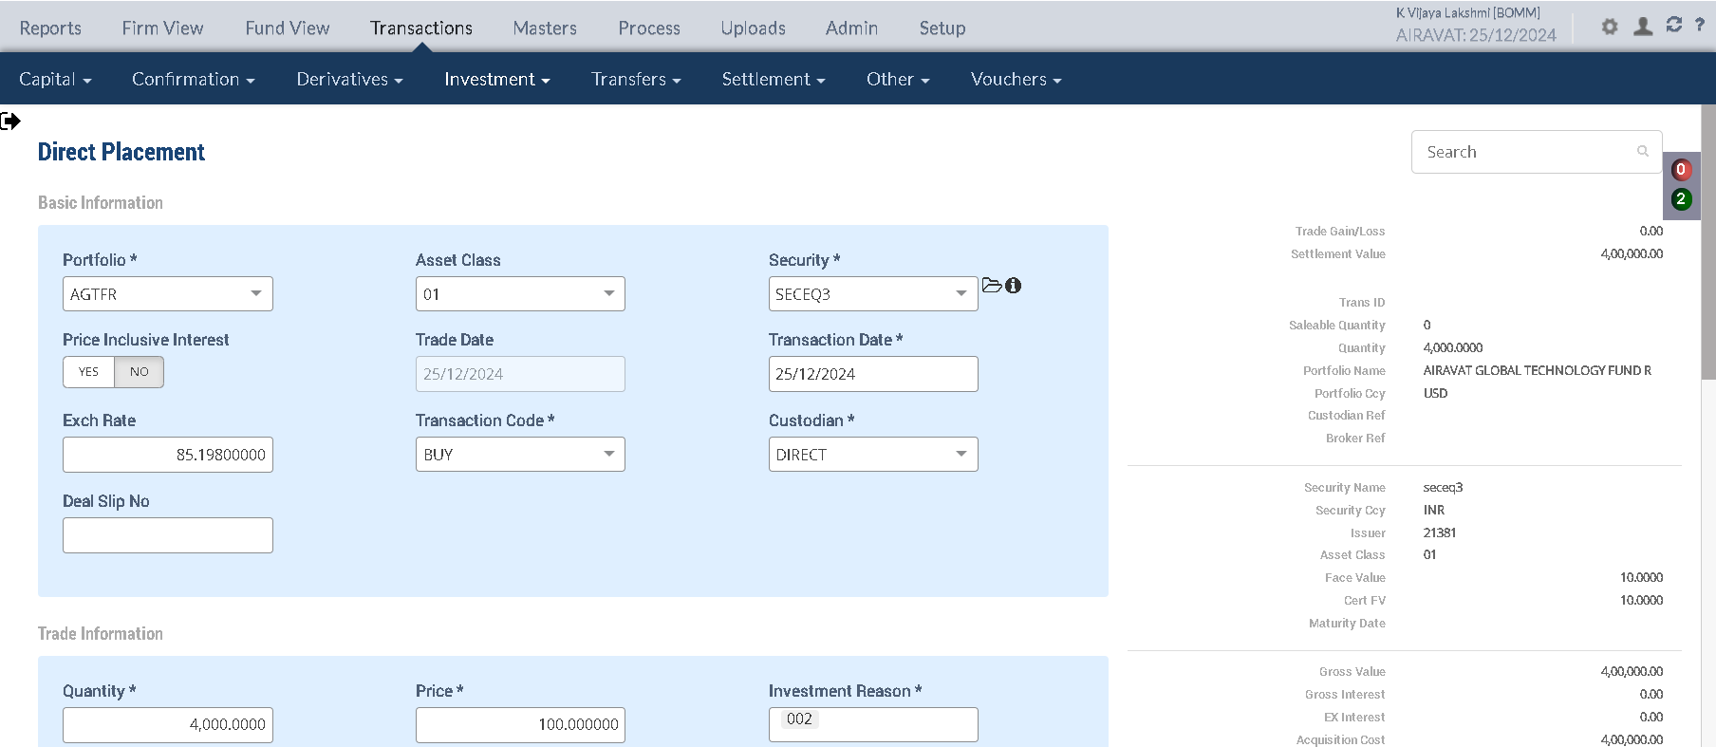

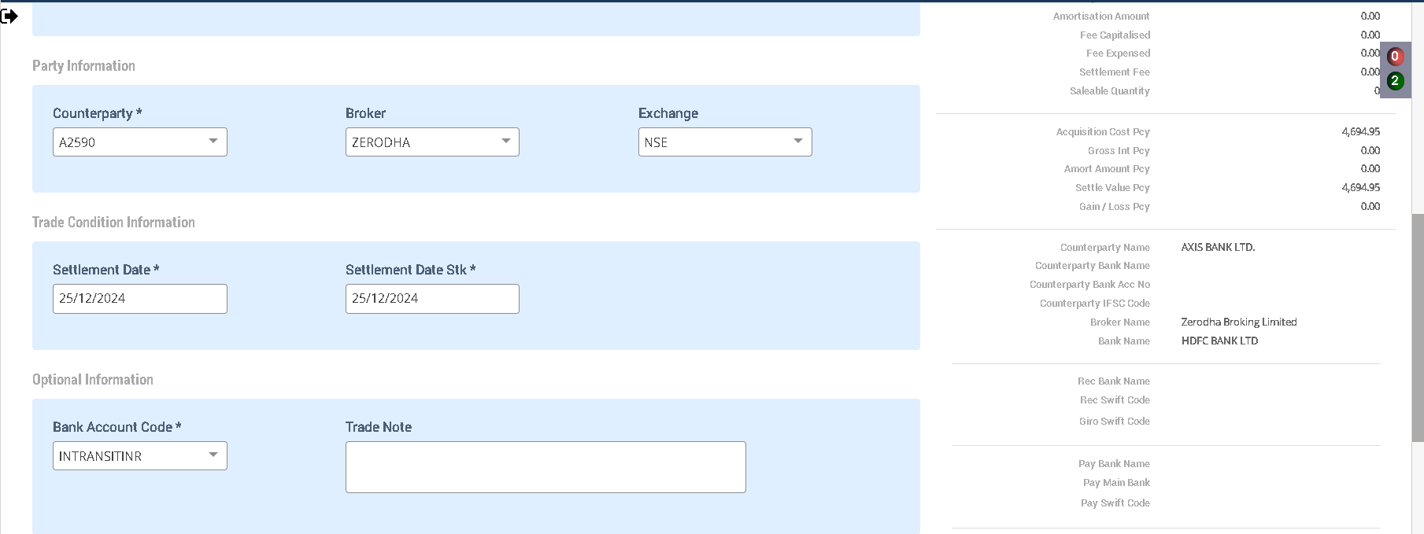
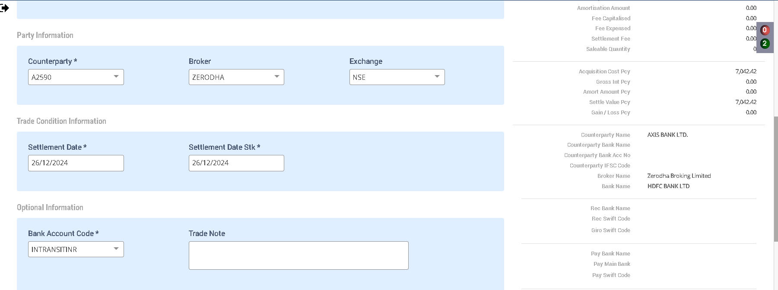

MOE Confirmation

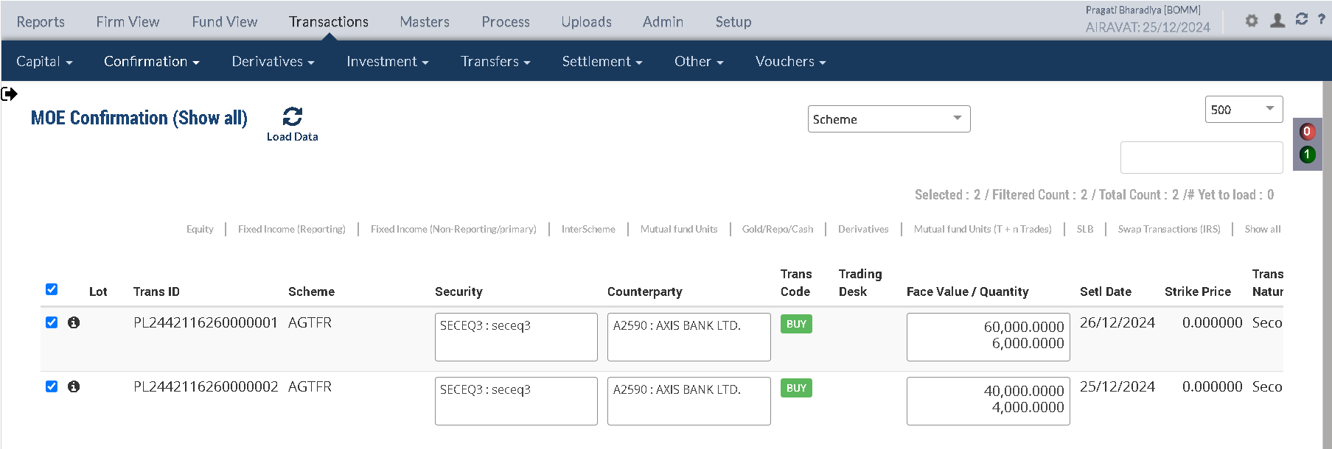

Holding Statement by lot

Security Code | Security Short Name | Security Description | Security Currency | Investment Category | Holding Lot No | TaxLot Reference | Purchase Date | Settlement Date | No of Days | Maturity Date | Deemed Maturity Date | Quantity / Nominal | Average Price | Book Cost in Security Currency | Book Cost in Fund Currency | Book Cost at current FX | Market Price | Market Value in Security Currency | Market Value in Fund Currency | % of NAV | Accrued Interest in Security Currency | Accrued Interest in Fund Currency | Accrued AOD in Security Currency | Accrued AOD in Fund Currency | Amortised Cost in Security Currency | Amortised Cost Per Unit | App/Dep in Security Currency | App/Dep in Fund Currency | FX Gain | App/Dep in Fund CCY without FX | Forex Rate
SECEQ3 | seceq3 | seceq3 | INR | INVEST | 147306 | CF2442116260000141 | 2024-12-25 | 2024-12-26 | 0 |  |  | 6,000.0000 | 100.000000 | 600,000.00 | 7,042.42 | 7,042.42 | 100.000000 | 600,000.00 | 7,042.42 | 0.0493 | 0.00 | 0.00 | 0.00 | 0.00 | 600,000.00 | 0.00 | 0.00 | 0.00 | 0.00 | 0.00 | 85.20
SECEQ3 | seceq3 | seceq3 | INR | INVEST | 147307 | CF2442116260000142 | 2024-12-25 | 2024-12-25 | 0 |  |  | 4,000.0000 | 100.000000 | 400,000.00 | 4,694.95 | 4,694.95 | 100.000000 | 400,000.00 | 4,694.95 | 0.0329 | 0.00 | 0.00 | 0.00 | 0.00 | 400,000.00 | 0.00 | 0.00 | 0.00 | 0.00 | 0.00 | 85.20

Holding Statement

Symbol | Security |  | Security Name | Security Listed | TCY | ISIN Code | Maturity Date | Quantity | Average Price | Strike Price | Book Cost in TCY | Book Cost in PCY | Market Price | Market Value in TCY | Market Value in PCY | % of NAV | Interest Accruals in TCY | Interest Accruals in PCY | Accrued AOD TCY | Accrued AOD PCY | Amortised Cost PCY | Amortised Cost Per Unit | Exchange | App/Dep in TCY | App/Dep in PCY | Unrel GL TCY | Unrel GL PCY | Unrel GL FX PCY | Variable Margin TCY | Variable Margin PCY | Market Price Date
 | SECEQ3 |  | seceq3 | Y | INR | seceq3 |  | 10,000.0000 | 100.0000 | 0.000000 | 1,000,000.00 | 11,737.37 | 100.0000 | 1,000,000.00 | 11,737.36 | 0.0822 | 0.00 | 0.00 | 0.00 | 0.00 | 11,737.37 | 0.00 |  | 0.00 | (0.01) | 0.00 | 0.00 | 0.00 | 0.00 | 0.00
 |  |  |  |  |  |  |  |  |  |  | 1,000,000.0000 | 11,737.36 |  | 1,000,000.0000 | 11,737.36

Accounting Enquiry

Portfolio | Portfolio Class | Entry Date | Trans Date | Ledger ID | Trans ID | Module Ref | Account Type | Control AC | Control AC Name | Gl Entry Code | Gl Account | Gl Account Name | Currency | Credit/Debit | Amount Tcy | Amount Pcy | Exch Rate | Asset Class | Asset Group | Security | Security Type | Trans Code | Broker | Counterparty | Narration | Is Reversed | Is Sysgen | Portfolio Currency | Trans Ref
AGTFR |  | 25-Dec-2024 | 25-Dec-2024 | CF244211626000014202 | CF2442116260000142 | ORDCONFIRM | AST | 110100 | Current Bank Account | CURRENTBACCOUNT | 110100-INTRANSITINR-INR | Current Bank Account | INR | Cr | 400,000.000000 | 4,694.950000 | 85.198000 | 01 | 4,694.945891 | SECEQ3 | INV | BUY | ZERODHA | A2590 | Purchase Trade settlement 4000 quantity of SECEQ3 seceq3 | N | N | USD | PL2442116260000002
AGTFR |  | 25-Dec-2024 | 25-Dec-2024 | CF244211626000014201 | CF2442116260000142 | ORDCONFIRM | AST | 010101 | Investments | INVESTMENT | 010101-01-INR | Investments | INR | Dr | -400,000.000000 | -4,694.950000 | 85.198000 | 01 | -4,694.945891 | SECEQ3 | INV | BUY | ZERODHA | A2590 | Purchase of 4000 quantity of SECEQ3 seceq3 | N | N | USD | PL2442116260000002
AGTFR |  | 25-Dec-2024 | 25-Dec-2024 | CF244211626000014102 | CF2442116260000141 | ORDCONFIRM | LIA | 210600 | Due To Financial Institutions | COUNTERPARTYPAY | 210600-INR | Due To Financial Institutions | INR | Cr | 600,000.000000 | 7,042.420000 | 85.198000 | 01 | 7,042.418836 | SECEQ3 | INV | BUY | ZERODHA | A2590 | Counterparty Payable on Purchase of 6000 quantity of SECEQ3 seceq3 | N | N | USD | PL2442116260000001
AGTFR |  | 25-Dec-2024 | 25-Dec-2024 | CF244211626000014101 | CF2442116260000141 | ORDCONFIRM | AST | 010101 | Investments | INVESTMENT | 010101-01-INR | Investments | INR | Dr | -600,000.000000 | -7,042.420000 | 85.198000 | 01 | -7,042.418836 | SECEQ3 | INV | BUY | ZERODHA | A2590 | Purchase of 6000 quantity of SECEQ3 seceq3 | N | N | USD | PL2442116260000001

Purchase sale Report

Portfolio | Portfolio Name | Sector Name | Industry Name | Trans Date | Settlement Date | Transaction ID | Transaction Type | Security | Security Name | Strike Price | Asset Class | Asset Name |  | Exchange |  | Broker |  | Broker Name |  | CounterParty | CounterParty Name | Custodian Name | Quantity |  | Rate |  | Gross Value |  | Yield | Brokerage | Brokerage % | Stt Amount | Clearing Fees | Others Fees | Net Amount TCY | Net Amount PCY | Acquisition Cost TCY | Acquisition Cost PCY | Gain Loss TCY | Gain Loss PCY | Gross Interest TCY | Gross Interest PCY
Asset Class:01 - Equity Shares
AGTFR | AIRAVAT GLOBAL TECHNOLOGY FUND R | HEALTH CARE | Pharmaceuticals & Biotechnology | 2024-12-25 | 2024-12-25 | CF2442116260000142 | BUY | SECEQ3 | seceq3 | 0.00 | 01 |  | Equity Shares |  | NSE |  | ZERODHA |  | Zerodha Broking Limited |  |  |  |  | 4,000.00 |  | 100.000000 |  | 4,694.95 | 0.0000% | 0.00 | 0.000000 | 0.00 | 0.00 | 0.00 | 400,000.00 | 4,694.95 | 400,000.00 | 4,694.95 | 0.00 | 0.00 | 0.00 | 0.00
AGTFR | AIRAVAT GLOBAL TECHNOLOGY FUND R | HEALTH CARE | Pharmaceuticals & Biotechnology | 2024-12-25 | 2024-12-26 | CF2442116260000141 | BUY | SECEQ3 | seceq3 | 0.00 | 01 |  | Equity Shares |  | NSE |  | ZERODHA |  | Zerodha Broking Limited |  |  |  |  | 6,000.00 |  | 100.000000 |  | 7,042.42 | 0.0000% | 0.00 | 0.000000 | 0.00 | 0.00 | 0.00 | 600,000.00 | 7,042.42 | 600,000.00 | 7,042.42 | 0.00 | 0.00 | 0.00 | 0.00

Upload Manual Market Price

SECURITYCODE | ISIN_CODE | SECURITYNAME | VALUATIONDATE | EXCHANGE | FINALPRICE | STRIKEPRICE
SECEQ3 | seceq3 | SECEQ3 | 2024-12-25 | NSE | 200

Intraday Done

Holding Statement

Symbol | Security |  | Security Name | Security Listed | TCY | ISIN Code | Maturity Date | Quantity | Average Price | Strike Price | Book Cost in TCY | Book Cost in PCY | Market Price | Market Value in TCY | Market Value in PCY | % of NAV | Interest Accruals in TCY | Interest Accruals in PCY | Accrued AOD TCY | Accrued AOD PCY | Amortised Cost PCY | Amortised Cost Per Unit | Exchange | App/Dep in TCY | App/Dep in PCY | Unrel GL TCY | Unrel GL PCY | Unrel GL FX PCY | Variable Margin TCY | Variable Margin PCY | Market Price Date
 | SECEQ3 |  | seceq3 | Y | INR | seceq3 |  | 10,000.0000 | 100.0000 | 0.000000 | 1,000,000.00 | 11,737.37 | 200.0000 | 2,000,000.00 | 23,474.73 | 0.1643 | 0.00 | 0.00 | 0.00 | 0.00 | 11,737.37 | 0.00 | 85.198000 | 1,000,000.00 | 11,737.36 | 1,000,000.00 | 11,737.37 | (0.01) | 0.00 | 0.00 | 2024-12-25
 |  |  |  |  |  |  |  |  |  |  | 1,000,000.0000 | 11,737.36 |  | 2,000,000.0000 | 23,474.73 |  |  |  |  |  |  |  |  | 1,000,000.00 | 11,737.36 | 1,000,000.00 | 11,737.36 | (0.01)

Accounting Enquiry

Portfolio | Portfolio Class | Entry Date | Trans Date | Ledger ID | Trans ID | Module Ref | Account Type | Control AC | Control AC Name | Gl Entry Code | Gl Account | Gl Account Name | Currency | Credit/Debit | Amount Tcy | Amount Pcy | Exch Rate | Asset Class | Asset Group | Security | Security Type | Trans Code | Broker | Counterparty | Narration | Is Reversed | Is Sysgen | Portfolio Currency | Trans Ref
AGTFR |  | 25-Dec-2024 | 25-Dec-2024 | UG244211626007000604 | UG2442116260070006 | UNREAL_GAINLOSS | INC | 510000 | Unrealised Gain/Loss On INVESTMENT | UNREALGLINVEST | 510000-01-INR | Unrealised Gain/Loss On INVESTMENT | INR | Cr | 1,000,000.000000 | 11,737.370000 | 85.198000 | 01 |  | SECEQ3 | INV | UPRFLS |  |  | Unrealised Gain/Loss on Security SECEQ3 on the Price change - Strike Price 0 seceq3 | N | Y | USD | UG2442116260070006
AGTFR |  | 25-Dec-2024 | 25-Dec-2024 | UG244211626007000603 | UG2442116260070006 | UNREAL_GAINLOSS | INC | 510980 | FX Gain / Loss on Investment | UNREALGLFOREX | 510980-01-INR | FX Gain / Loss on Investment | INR | Dr | 00.000000 | -00.010000 | 85.198000 | 01 |  | SECEQ3 | INV | UPRFLS |  |  | Unrealised Gain/Loss on Security SECEQ3 on the FX change - Strike Price 0 seceq3 | N | Y | USD | UG2442116260070006
AGTFR |  | 25-Dec-2024 | 25-Dec-2024 | UG244211626007000602 | UG2442116260070006 | UNREAL_GAINLOSS | AST | 010122 | FX Gain / Loss on Investment | INVFXAPPDEP | 010122-01-INR | FX Gain / Loss on Investment | INR | Cr | 00.000000 | 00.010000 | 85.198000 | 01 |  | SECEQ3 | INV | UPRFLS |  |  | Unrealised Gain/Loss on Security SECEQ3 on the FX change - Strike Price 0 seceq3 | N | Y | USD | UG2442116260070006
AGTFR |  | 25-Dec-2024 | 25-Dec-2024 | UG244211626007000601 | UG2442116260070006 | UNREAL_GAINLOSS | AST | 010110 | Investments - App/(Dep) | INVESTAPPDEP | 010110-01-INR | Investments - App/(Dep) | INR | Dr | -1,000,000.000000 | -11,737.370000 | 85.198000 | 01 |  | SECEQ3 | INV | UPRFLS |  |  | Unrealised Gain/Loss on Security SECEQ3 on the Price change - Strike Price 0 seceq3 | N | Y | USD | UG2442116260070006

 |  |  |  |  |  |  |  |  |  |  |  |  |  |  | Unrel GL TCY | Unrel GL PCY | Unrel GL FX PCY
 |  |  |  |  |  |  |  |  |  |  |  |  |  |  | 1,000,000.00 | 11,737.37 | (0.01)
Freeze NAV

Trade Benefit Settlement

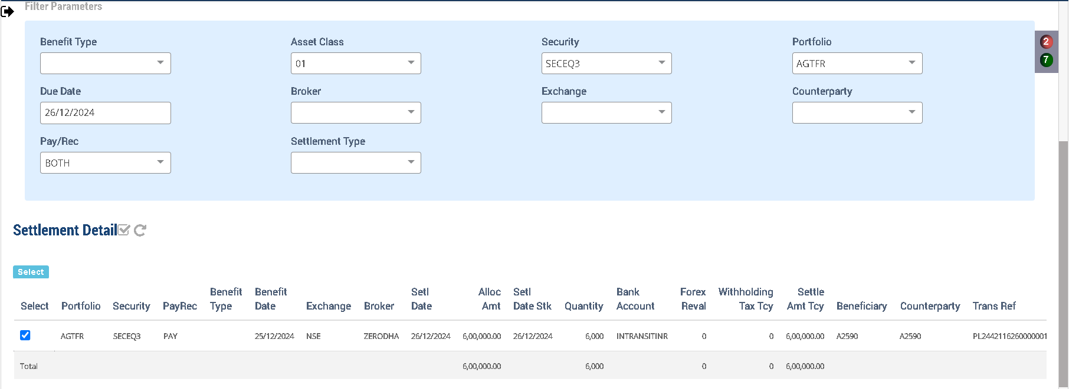

Upload Manual Market Price

SECURITYCODE | ISIN_CODE | SECURITYNAME | VALUATIONDATE | EXCHANGE | FINALPRICE | STRIKEPRICE
SECEQ3 | seceq3 | SECEQ3 | 2024-12-26 | NSE | 150

Intraday Done

Holding Statement

Symbol | Security |  | Security Name | Security Listed | TCY | ISIN Code | Maturity Date | Quantity | Average Price | Strike Price | Book Cost in TCY | Book Cost in PCY | Market Price | Market Value in TCY | Market Value in PCY | % of NAV | Interest Accruals in TCY | Interest Accruals in PCY | Accrued AOD TCY | Accrued AOD PCY | Amortised Cost PCY | Amortised Cost Per Unit | Exchange | App/Dep in TCY | App/Dep in PCY | Unrel GL TCY | Unrel GL PCY | Unrel GL FX PCY | Variable Margin TCY | Variable Margin PCY | Market Price Date
 | SECEQ3 |  | seceq3 | Y | INR | seceq3 |  | 10,000.0000 | 100.0000 | 0.000000 | 1,000,000.00 | 11,737.37 | 150.0000 | 1,500,000.00 | 17,717.93 | 0.1241 | 0.00 | 0.00 | 0.00 | 0.00 | 11,737.37 | 0.00 | 84.660000 | 500,000.00 | 5,980.56 | 500,000.00 | 5,905.98 | 74.58 | 0.00 | 0.00 | 2024-12-26
 |  |  |  |  |  |  |  |  |  |  | 1,000,000.0000 | 11,737.36 |  | 1,500,000.0000 | 17,717.93 |  |  |  |  |  |  |  |  | 500,000.00 | 5,980.56 | 500,000.00 | 5,905.98 | 74.58

Accounting Enquiry |  |  |  |  |  |  |  |  |  |  |  |  |  |  |  |  |  |  |  |  |  |  |  |  | calc | 500,000.00 | 5,831.39

Portfolio | Portfolio Class | Entry Date | Trans Date | Ledger ID | Trans ID | Module Ref | Account Type | Control AC | Control AC Name | Gl Entry Code | Gl Account | Gl Account Name | Currency | Credit/Debit | Amount Tcy | Amount Pcy | Exch Rate | Asset Class | Asset Group | Security | Security Type | Trans Code | Broker | Counterparty | Narration | Is Reversed | Is Sysgen | Portfolio Currency | Trans Ref
AGTFR |  | 26-Dec-2024 | 26-Dec-2024 | UG244211626007012504 | UG2442116260070125 | UNREAL_GAINLOSS | INC | 510000 | Unrealised Gain/Loss On INVESTMENT | UNREALGLINVEST | 510000-01-INR | Unrealised Gain/Loss On INVESTMENT | INR | Dr | -500,000.000000 | -5,831.390000 | 84.660000 | 01 |  | SECEQ3 | INV | UPRFLS |  |  | Unrealised Gain/Loss on Security SECEQ3 on the Price change - Strike Price 0 seceq3 | N | Y | USD | UG2442116260070125
AGTFR |  | 26-Dec-2024 | 26-Dec-2024 | UG244211626007012503 | UG2442116260070125 | UNREAL_GAINLOSS | INC | 510980 | FX Gain / Loss on Investment | UNREALGLFOREX | 510980-01-INR | FX Gain / Loss on Investment | INR | Cr | 00.000000 | 74.590000 | 84.660000 | 01 |  | SECEQ3 | INV | UPRFLS |  |  | Unrealised Gain/Loss on Security SECEQ3 on the FX change - Strike Price 0 seceq3 | N | Y | USD | UG2442116260070125
AGTFR |  | 26-Dec-2024 | 26-Dec-2024 | UG244211626007012502 | UG2442116260070125 | UNREAL_GAINLOSS | AST | 010122 | FX Gain / Loss on Investment | INVFXAPPDEP | 010122-01-INR | FX Gain / Loss on Investment | INR | Dr | 00.000000 | -74.590000 | 84.660000 | 01 |  | SECEQ3 | INV | UPRFLS |  |  | Unrealised Gain/Loss on Security SECEQ3 on the FX change - Strike Price 0 seceq3 | N | Y | USD | UG2442116260070125
AGTFR |  | 26-Dec-2024 | 26-Dec-2024 | UG244211626007012501 | UG2442116260070125 | UNREAL_GAINLOSS | AST | 010110 | Investments - App/(Dep) | INVESTAPPDEP | 010110-01-INR | Investments - App/(Dep) | INR | Cr | 500,000.000000 | 5,831.390000 | 84.660000 | 01 |  | SECEQ3 | INV | UPRFLS |  |  | Unrealised Gain/Loss on Security SECEQ3 on the Price change - Strike Price 0 seceq3 | N | Y | USD | UG2442116260070125
AGTFR |  | 26-Dec-2024 | 26-Dec-2024 | PR244211626000017903 | PR2442116260000179 | PAYREC_SETTLE | INC | 620000 | FX Gain/Loss on Bank | FXPROFITLOSS | 620000-INR | FX Gain/Loss on Bank | INR | Dr | 00.000000 | -44.750000 | 85.198000 | 01 | 44.750000 | SECEQ3 | INV | TSTCPP | ZERODHA | A2590 | Forex Realised Gain / Loss - Trade Settlement seceq3 | N | N | USD | CF2442116260000141
AGTFR |  | 26-Dec-2024 | 26-Dec-2024 | PR244211626000017902 | PR2442116260000179 | PAYREC_SETTLE | AST | 110100 | Current Bank Account | CURRENTBACCOUNT | 110100-INTRANSITINR-INR | Current Bank Account | INR | Cr | 600,000.000000 | 7,087.170000 | 84.660000 | 01 |  | SECEQ3 | INV | TSTCPP | ZERODHA | A2590 | Counterparty Purchase Settlement of 6000 quantity of SECEQ3 seceq3 | N | N | USD | CF2442116260000141
AGTFR |  | 26-Dec-2024 | 26-Dec-2024 | PR244211626000017901 | PR2442116260000179 | PAYREC_SETTLE | LIA | 210600 | Due To Financial Institutions | COUNTERPARTYPAY | 210600-INR | Due To Financial Institutions | INR | Dr | -600,000.000000 | -7,042.420000 | 85.198000 | 01 |  | SECEQ3 | INV | TSTCPP | ZERODHA | A2590 | Counterparty Purchase Settlement of 6000 quantity of SECEQ3 seceq3 | N | N | USD | CF2442116260000141

Equity- SELL

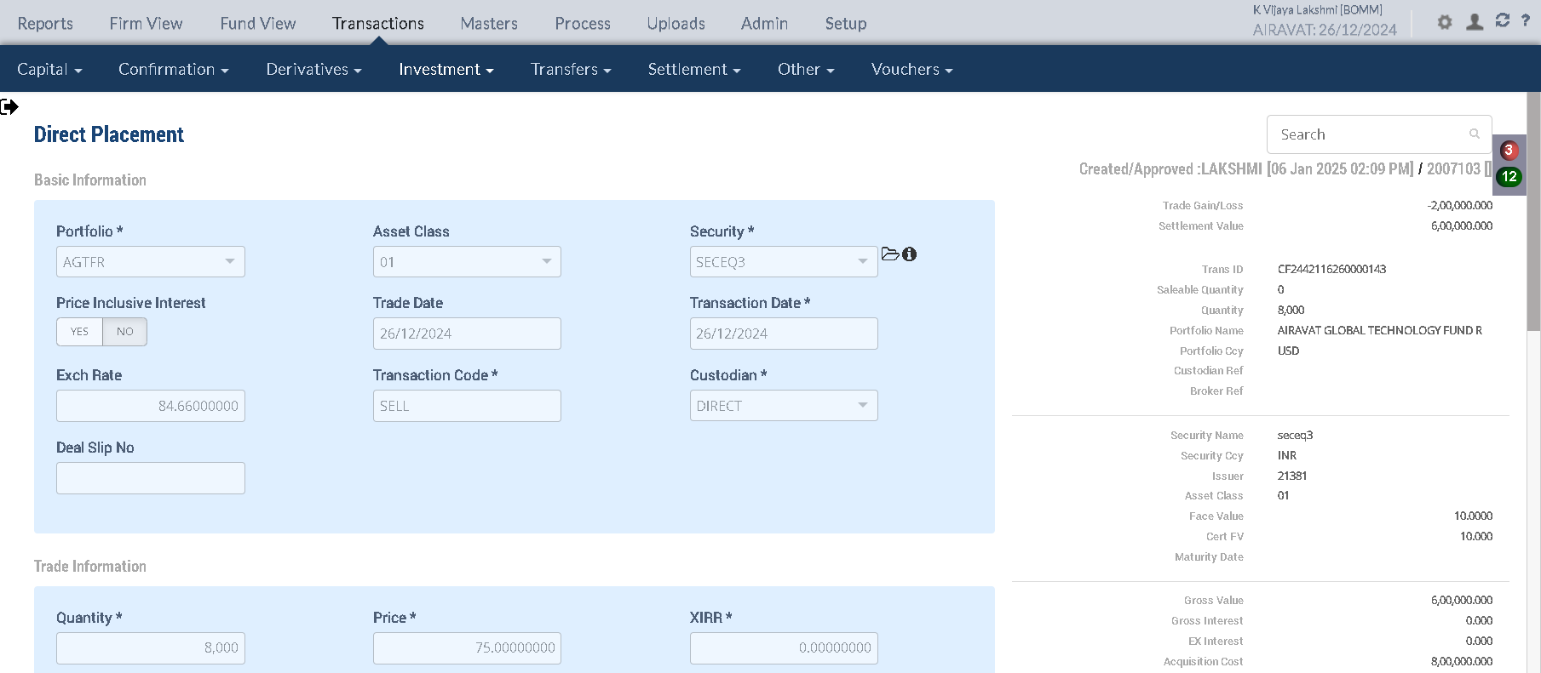

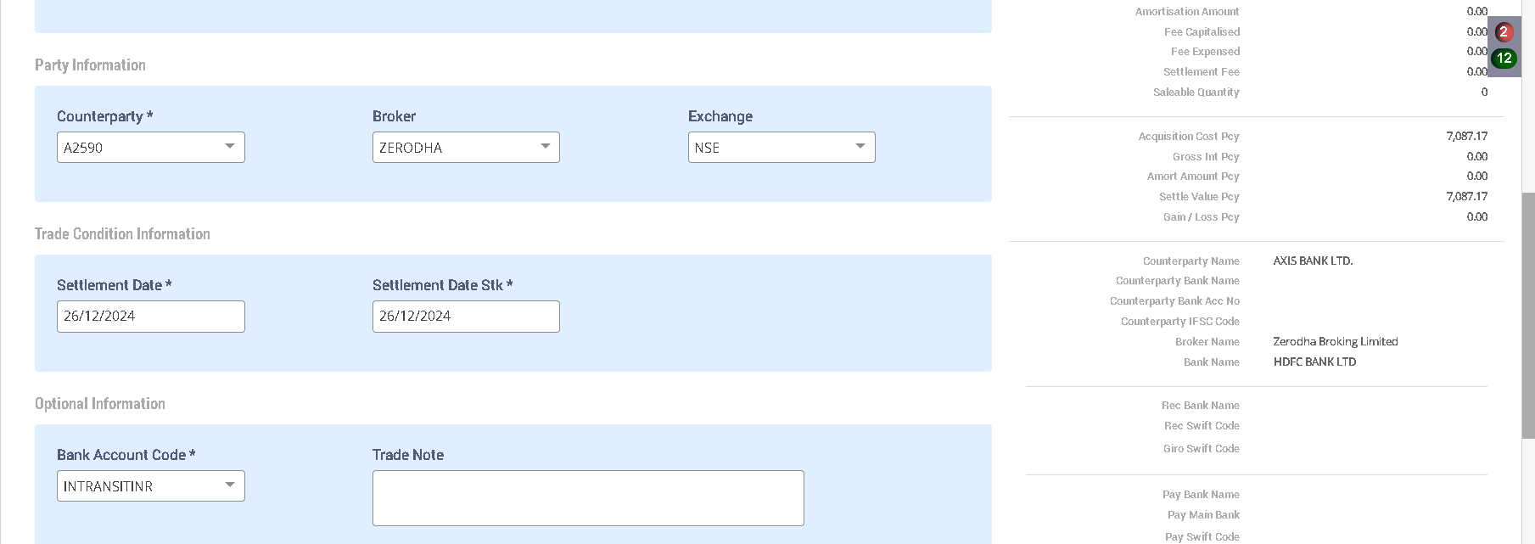

MOE Confirmation

Holding Statement by lot

Security Code | Security Short Name | Security Description | Security Currency | Investment Category | Holding Lot No | TaxLot Reference | Purchase Date | Settlement Date | No of Days | Maturity Date | Deemed Maturity Date | Quantity / Nominal | Average Price | Book Cost in Security Currency | Book Cost in Fund Currency | Book Cost at current FX | Market Price | Market Value in Security Currency | Market Value in Fund Currency | % of NAV | Accrued Interest in Security Currency | Accrued Interest in Fund Currency | Accrued AOD in Security Currency | Accrued AOD in Fund Currency | Amortised Cost in Security Currency | Amortised Cost Per Unit | App/Dep in Security Currency | App/Dep in Fund Currency | FX Gain | App/Dep in Fund CCY without FX | Forex Rate
SECEQ3 | seceq3 | seceq3 | INR | INVEST | 147306 | CF2442116260000141 | 2024-12-25 | 2024-12-26 | 0 |  |  | 6,000.0000 | 100.000000 | 600,000.00 | 7,042.42 | 7,042.42 | 100.000000 | 600,000.00 | 7,042.42 | 0.0493 | 0.00 | 0.00 | 0.00 | 0.00 | 600,000.00 | 0.00 | 0.00 | 0.00 | 0.00 | 0.00 | 85.20
SECEQ3 | seceq3 | seceq3 | INR | INVEST | 147307 | CF2442116260000142 | 2024-12-25 | 2024-12-25 | 0 |  |  | 4,000.0000 | 100.000000 | 400,000.00 | 4,694.95 | 4,694.95 | 100.000000 | 400,000.00 | 4,694.95 | 0.0329 | 0.00 | 0.00 | 0.00 | 0.00 | 400,000.00 | 0.00 | 0.00 | 0.00 | 0.00 | 0.00 | 85.20

Holding Statement

Symbol | Security |  | Security Name | Security Listed | TCY | ISIN Code | Maturity Date | Quantity | Average Price | Strike Price | Book Cost in TCY | Book Cost in PCY | Market Price | Market Value in TCY | Market Value in PCY | % of NAV | Interest Accruals in TCY | Interest Accruals in PCY | Accrued AOD TCY | Accrued AOD PCY | Amortised Cost PCY | Amortised Cost Per Unit | Exchange | App/Dep in TCY | App/Dep in PCY | Unrel GL TCY | Unrel GL PCY | Unrel GL FX PCY | Variable Margin TCY | Variable Margin PCY | Market Price Date
 | SECEQ3 |  | seceq3 | Y | INR | seceq3 |  | 2,000.0000 | 100.0000 | 0.000000 | 200,000.00 | 2,347.47 | 150.0000 | 300,000.00 | 3,543.59 | 0.0248 | 0.00 | 0.00 | 0.00 | 0.00 | 2,347.47 | 0.00 | 84.660000 | 100,000.00 | 1,196.12 | 100,000.00 | 1,181.19 | 14.91 | 0.00 | 0.00 | 2024-12-26
 |  |  |  |  |  |  |  |  |  |  | 200,000.0000 | 2,347.47 |  | 300,000.0000 | 3,543.59 |  |  |  |  |  |  |  |  | 100,000.00 | 1,196.12 | 100,000.00 | 1,181.20 | 14.92

 |  |  |  |  |  |  |  |  |  |  |  |  |  |  |  |  |  |  |  |  |  |  |  |  | calc | 400,000.00 | 4,724.79 | 59.67
Accounting Enquiry

Portfolio | Portfolio Class | Entry Date | Trans Date | Ledger ID | Trans ID | Module Ref | Account Type | Control AC | Control AC Name | Gl Entry Code | Gl Account | Gl Account Name | Currency | Credit/Debit | Amount Tcy | Amount Pcy | Exch Rate | Asset Class | Asset Group | Security | Security Type | Trans Code | Broker | Counterparty | Narration | Is Reversed | Is Sysgen | Portfolio Currency | Trans Ref
AGTFR |  | 26-Dec-2024 | 26-Dec-2024 | CF244211626000014308 | CF2442116260000143 | ORDCONFIRM | INC | 510980 | FX Gain / Loss on Investment | UNREALGLFOREX | 510980-01-INR | FX Gain / Loss on Investment | INR | Dr | 00.000000 | -59.670000 | 84.660000 | 01 |  | SECEQ3 | INV | SELL | ZERODHA | A2590 | Unrel Forex reversal on Sale of 8000 quantity of SECEQ3 seceq3 | N | N | USD | PL2442116260000004
AGTFR |  | 26-Dec-2024 | 26-Dec-2024 | CF244211626000014307 | CF2442116260000143 | ORDCONFIRM | AST | 010122 | FX Gain / Loss on Investment | INVFXAPPDEP | 010122-01-INR | FX Gain / Loss on Investment | INR | Cr | 00.000000 | 59.670000 | 84.660000 | 01 |  | SECEQ3 | INV | SELL | ZERODHA | A2590 | Unrel Forex reversal on Sale of 8000 quantity of SECEQ3 seceq3 | N | N | USD | PL2442116260000004
AGTFR |  | 26-Dec-2024 | 26-Dec-2024 | CF244211626000014306 | CF2442116260000143 | ORDCONFIRM | AST | 010110 | Investments - App/(Dep) | INVESTAPPDEP | 010110-01-INR | Investments - App/(Dep) | INR | Cr | 400,000.000000 | 4,724.790000 | 84.660000 | 01 |  | SECEQ3 | INV | SELL | ZERODHA | A2590 | Unrel Appr/depr Reversal for sale transaction seceq3 | N | N | USD | PL2442116260000004
AGTFR |  | 26-Dec-2024 | 26-Dec-2024 | CF244211626000014305 | CF2442116260000143 | ORDCONFIRM | INC | 510000 | Unrealised Gain/Loss On INVESTMENT | UNREALGLINVEST | 510000-01-INR | Unrealised Gain/Loss On INVESTMENT | INR | Dr | -400,000.000000 | -4,724.790000 | 84.660000 | 01 |  | SECEQ3 | INV | SELL | ZERODHA | A2590 | Unrel Appr/depr Reversal for sale transaction seceq3 | N | N | USD | PL2442116260000004
AGTFR |  | 26-Dec-2024 | 26-Dec-2024 | CF244211626000014304 | CF2442116260000143 | ORDCONFIRM | INC | 611001 | Realized FX Gain / Loss on sale of investments | REALGLFOREX | 611001-INR-INR | Realized FX Gain / Loss on sale of investments | INR | Cr | 00.000000 | 59.660000 | 84.660000 | 01 |  | SECEQ3 | INV | SELL | ZERODHA | A2590 | Gain/Loss Forex on Sale of 8000 quantity of SECEQ3 seceq3 | N | N | USD | PL2442116260000004
AGTFR |  | 26-Dec-2024 | 26-Dec-2024 | CF244211626000014303 | CF2442116260000143 | ORDCONFIRM | EXP | 810010 | Loss on Sale of Investments - Market | MARKETLOSS | 810010-01-INR | Loss on Sale of Investments - Market | INR | Dr | -200,000.000000 | -2,362.390000 | 84.660000 | 01 |  | SECEQ3 | INV | SELL | ZERODHA | A2590 | Market Loss on Sale of 8000 quantity of SECEQ3 seceq3 | N | N | USD | PL2442116260000004
AGTFR |  | 26-Dec-2024 | 26-Dec-2024 | CF244211626000014302 | CF2442116260000143 | ORDCONFIRM | AST | 110100 | Current Bank Account | CURRENTBACCOUNT | 110100-INTRANSITINR-INR | Current Bank Account | INR | Dr | -600,000.000000 | -7,087.170000 | 84.660000 | 01 |  | SECEQ3 | INV | SELL | ZERODHA | A2590 | Sale Trade Settlement of 8000 quantity of SECEQ3 seceq3 | N | N | USD | PL2442116260000004
AGTFR |  | 26-Dec-2024 | 26-Dec-2024 | CF244211626000014301 | CF2442116260000143 | ORDCONFIRM | AST | 010101 | Investments | INVESTMENT | 010101-01-INR | Investments | INR | Cr | 800,000.000000 | 9,389.900000 | 84.660000 | 01 |  | SECEQ3 | INV | SELL | ZERODHA | A2590 | Cost of Sale on 8000 quantity of SECEQ3 seceq3 | N | N | USD | PL2442116260000004

 |  |  |  |  |  |  |  |  |  |  | Acqistion cost | 800,000.00
Purchase sale Report |  |  |  |  |  |  |  |  |  |  | sell cost | 600,000.00
 |  |  |  |  |  |  |  |  |  |  | Loss | 200,000.00

Portfolio | Portfolio Name | Sector Name | Industry Name | Trans Date | Settlement Date | Transaction ID | Transaction Type | Security | Security Name | Strike Price | Asset Class | Asset Name |  | Exchange |  | Broker |  | Broker Name |  | CounterParty | CounterParty Name | Custodian Name | Quantity |  | Rate |  | Gross Value |  | Yield | Brokerage | Brokerage % | Stt Amount | Clearing Fees | Others Fees | Net Amount TCY | Net Amount PCY | Acquisition Cost TCY | Acquisition Cost PCY | Gain Loss TCY | Gain Loss PCY | Gross Interest TCY | Gross Interest PCY
Asset Class:01 - Equity Shares
AGTFR | AIRAVAT GLOBAL TECHNOLOGY FUND R | HEALTH CARE | Pharmaceuticals & Biotechnology | 2024-12-26 | 2024-12-26 | CF2442116260000143 | SELL | SECEQ3 | seceq3 | 0.00 | 01 |  | Equity Shares |  | NSE |  | ZERODHA |  | Zerodha Broking Limited |  |  |  |  | 8,000.00 |  | 75.000000 |  | 7,087.17 | 0.0000% | 0.00 | 0.000000 | 0.00 | 0.00 | 0.00 | 600,000.00 | 7,087.17 | 800,000.00 | 9,389.90 | (200,000.00) | (2,362.39) | 0.00 | 0.00

Upload FIFO
PORTFOLIO | SECURITY | ISIN_CODE | BROKER | QUANTITY | PRICE | EXCHANGE | SEGMENT | TRANS_CODE | TRADE_DATE | SETL_DATE | Deal SliP No | DELIVERY_TYPE | BANK_ACC_CODE | BANK_TXN_MODE | BANK_ACC_AMT_ACY | YIELD | COUNTERPARTY | IS_COMPUTE_FEE | CUM_EX_BEN_TYPE | GROSS_INT_TCY | EX_INT_TCY | NET_AMOUNT_TCY | Brokerage | STT Amount | CCIl Charges | REC_REMARKS | Stamp duty
AGTFR | SECEQ2 | SECEQ2 | ZERODHA | 106,500.00 | 100.3253 | NSE | CM | BUY | 7-Dec-24 | 7-Dec-24 |  | CH | INTRANSITINR | TRF | 10,684,644.45 |  |  | N | NA | 0.00 | 0.00 | 10,663,277.50 | 10,681.95 | 10,685.00 | 0.00 | DealUpload | 0.00
AGTFR | SECEQ2 | SECEQ2 | ZERODHA | 106,500.00 | 100.3253 | NSE | CM | BUY | 7-Dec-24 | 8-Dec-24 |  | CH | INTRANSITINR | TRF | 10,684,644.45 |  |  | N | NA | 0.00 | 0.00 | 10,663,277.50 | 10,681.95 | 10,685.00 | 0.00 | DealUpload | 0.00

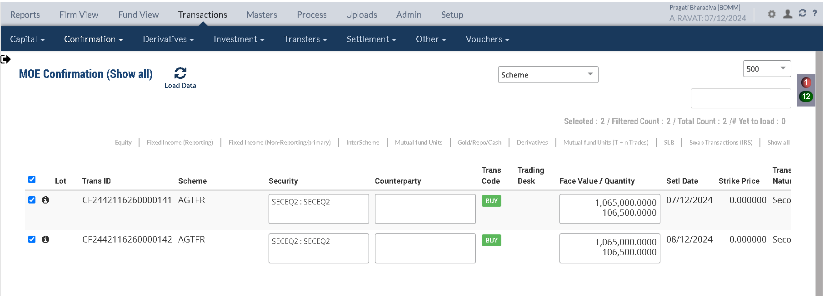

Holding Statement by lot

Security Code | Security Short Name | Security Description | Security Currency | Investment Category | Holding Lot No | TaxLot Reference | Purchase Date | Settlement Date | No of Days | Maturity Date | Deemed Maturity Date | Quantity / Nominal | Average Price | Book Cost in Security Currency | Book Cost in Fund Currency | Book Cost at current FX | Market Price | Market Value in Security Currency | Market Value in Fund Currency | % of NAV | Accrued Interest in Security Currency | Accrued Interest in Fund Currency | Accrued AOD in Security Currency | Accrued AOD in Fund Currency | Amortised Cost in Security Currency | Amortised Cost Per Unit | App/Dep in Security Currency | App/Dep in Fund Currency | FX Gain | App/Dep in Fund CCY without FX | Forex Rate
INRNSEJAN2025FUT | INR | INRNSEJAN2025FUT-JAN Series | INR | INVEST | 144223 | DT2442116260000015 | 2024-12-06 | 2024-12-06 | 1 | 2025-01-28 | 2025-01-28 | 2,500.0000 | 0.000000 | 0.00 | 0.00 | 0.00 | 300.000000 | 0.00 | 0.00 | 0.0000 | 0.00 | 0.00 | 0.00 | 0.00 | 0.00 | 0.00 | 0.00 | 0.00 | 0.00 | 0.00 | 84.67
INRNSEJAN2025FUT | INR | INRNSEJAN2025FUT-JAN Series | INR | INVEST | 144224 | DT2442116260000016 | 2024-12-06 | 2024-12-07 | 1 | 2025-01-28 | 2025-01-28 | 1,500.0000 | 84.666667 | 127,000.00 | 1,487.45 | 1,500.02 | 300.000000 | 300,000.00 | 3,543.36 | 0.0236 | 0.00 | 0.00 | 0.00 | 0.00 | 127,000.00 | 0.00 | 173,000.00 | 2,055.91 | 0.00 | 2,043.34 | 84.67
...
Portfolio | Portfolio Class | Entry Date | Trans Date | Ledger ID | Trans ID | Module Ref | Account Type | Control AC | Control AC Name | Gl Entry Code | Gl Account | Gl Account Name | Currency | Credit/Debit | Amount Tcy | Amount Pcy | Exch Rate | Asset Class
AGTFR |  | 07-Dec-2024 | 07-Dec-2024 | UG244211626006605602 | UG2442116260066056 | UNREAL_GAINLOSS | AST | 010122 | FX Gain / Loss on Investment | INVFXAPPDEP | 010122-01-INR | FX Gain / Loss on Investment | INR | Cr | 00.00 | -00.02 | 84.6653 | 01
AGTFR |  | 07-Dec-2024 | 07-Dec-2024 | UG244211626006605601 | UG2442116260066056 | UNREAL_GAINLOSS | AST | 010110 | Investments - App/(Dep) | INVESTAPPDEP | 010110-01-INR | Investments - App/(Dep) | INR | Dr | -10,537,977.20 | -124,466.30 | 84.6653 | 01

 |  |  |  |  |  |  |  |  |  |  |  |  |  |  | Unrel GL TCY | Unrel GL PCY | Unrel GL FX PCY
 |  |  |  |  |  |  |  |  |  |  |  |  |  |  | 10,537,977.20 | 124,466.30 | 0.02

Freeze NAV

Trade/Benefit Settlement




